Answer 6 Model
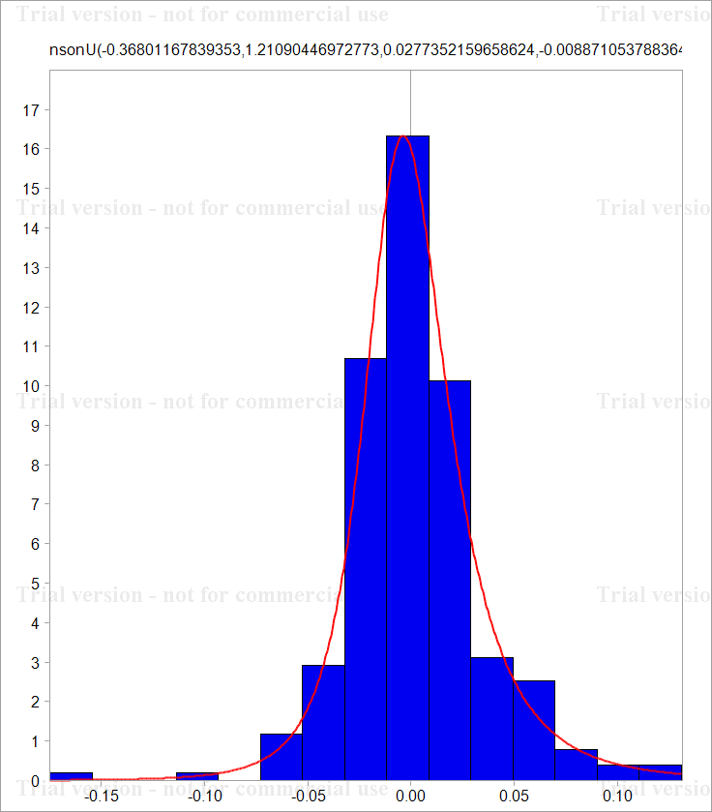
Date | Adj Close | Change |  |  |  | Historic 5% | Historic 1%
2010-01-26 | 20.44 |  |  |  |  | -0.040919524241 | -0.06677728206
2010-01-27 | 20.87 | 0.020818955754
2010-01-28 | 20.24 | -0.03065187667 |  |  |  | Data Object
2010-01-29 | 20.3 | 0.0029600416285 |  |  |  | VoseDataObject('[Answer 6.xlsx]Answer 6 Model'!C3:C254)
2010-02-01 | 20.08 | -0.010896591224
2010-02-02 | 20.08 | 0 |  |  | I | Static Fit
2010-02-03 | 19.93 | -0.0074981605988 |  |  |  | VoseJohnsonU(-0.3680116783935301,1.210904469727727,0.02773521596586239,-0.00887105378836465)
2010-02-04 | 18.93 | -0.051478169003 |  |  |  | Static 5% | Static 1%
2010-02-05 | 18.78 | -0.0079554914411 |  |  |  | Error: "object" is not valid. Please refer to the help file for allowed options | #VALUE!
2010-02-08 | 18.57 | -0.011245098416
2010-02-09 | 19.39 | 0.04321009389 |  |  | II | Parameter Uncertainty
2010-02-10 | 22.56 | 0.15142095738 |  |  |  | VoseJohnsonU(-0.3383702034423098,1.244849788375078,0.02931329592708754,-0.00996267793540684)
2010-02-11 | 22.04 | -0.023319442345 |  |  |  | Error: "object" is not valid. Please refer to the help file for allowed options | #VALUE!
2010-02-12 | 22.47 | 0.019322101913 |  |  |  | -0.043783573786 | -0.075811324518
2010-02-16 | 22.98 | 0.022443186223
2010-02-17 | 22.54 | -0.019332763809 |  |  | III | Model Uncertainty
2010-02-18 | 22.38 | -0.0071238057279 |  |  |  | Distributions |  | Priors
2010-02-19 | 22.23 | -0.0067249749077 |  |  |  | JohnsonU | VoseJohnsonU(-0.5289993828454325,1.176724409134506,0.02395715016659315,-0.01006672570895318) | 1
2010-02-22 | 23.82 | 0.069082835951 |  |  |  | Student3 | VoseStudent3(-0.003042737661975604,0.02926061909340649,4) | 0.04
2010-02-23 | 22.42 | -0.060572146283 |  |  |  | Laplace | VoseLaplace(-0.001709798901044779,0.03500246277265869) | 0
2010-02-24 | 23.45 | 0.044917077248 |  |  |  | HS | VoseHS(0.004099671769501583,0.03060083007558132) | 0
2010-02-25 | 23.05 | -0.01720472545 |  |  |  | Error | VoseError(-8.730508732925894E-5,0.03584479168042754,1.027303391694682) | 0
2010-02-26 | 20.75 | -0.10511952277
2010-03-01 | 21.6 | 0.040147068013 |  |  |  | VoseBMA('[Answer 6.xlsx]Answer 6 Model'!H19:H23,'[Answer 6.xlsx]Answer 6 Model'!I19:I23)
2010-03-02 | 20.97 | -0.029600469776 |  |  |  | Error: "object" is not valid. Please refer to the help file for allowed options | #VALUE!
2010-03-03 | 20.85 | -0.005738896669 |  |  |  | -0.039647672086 | -0.057879305961
2010-03-04 | 22.38 | 0.070813754639
2010-03-05 | 23.53 | 0.050108499855
2010-03-08 | 24.38 | 0.035486921314
2010-03-09 | 27.46 | 0.11896727629
2010-03-10 | 30.37 | 0.10072487872
2010-03-11 | 29.42 | -0.031780563884
2010-03-12 | 28.68 | -0.025474699442
2010-03-15 | 28.76 | 0.0027855171214
2010-03-16 | 28.16 | -0.021083001563
2010-03-17 | 28.83 | 0.02351398036
2010-03-18 | 29.03 | 0.0069132663862
2010-03-19 | 29.16 | 0.0044681291039
2010-03-22 | 27.98 | -0.041307937903
2010-03-23 | 27.89 | -0.0032217675979
2010-03-24 | 27.79 | -0.003591957885
2010-03-25 | 28.92 | 0.039857153536
2010-03-26 | 28.66 | -0.0090309748905
2010-03-29 | 28.87 | 0.0073005712748
2010-03-30 | 28.65 | -0.0076495505141
2010-03-31 | 28.61 | -0.0013971360987
2010-04-01 | 28.58 | -0.0010491345603
2010-04-05 | 29.38 | 0.027606998244
2010-04-06 | 30.09 | 0.023878719896
2010-04-07 | 33.26 | 0.10016258312
2010-04-08 | 31.5 | -0.054367927933
2010-04-09 | 31.96 | 0.014497575066
2010-04-12 | 34.54 | 0.07763295182
2010-04-13 | 33.64 | -0.026402237614
2010-04-14 | 33.3 | -0.010158438118
2010-04-15 | 33.5 | 0.0059880418446
2010-04-16 | 32.8 | -0.021116923441
2010-04-19 | 32.75 | -0.0015255533088
2010-04-20 | 34.88 | 0.06301063696
2010-04-21 | 34.27 | -0.017643263154
2010-04-22 | 36.24 | 0.055893145288
2010-04-23 | 37.19 | 0.025876426762
2010-04-26 | 37.3 | 0.0029534187128
2010-04-27 | 31.31 | -0.17505579131
2010-04-28 | 33.11 | 0.055897816221
2010-04-29 | 33.71 | 0.017959177687
2010-04-30 | 32.59 | -0.033789036396
2010-05-03 | 33.13 | 0.016433723462
2010-05-04 | 32.05 | -0.033142032945
2010-05-05 | 31.59 | -0.014456568553
2010-05-06 | 30.79 | -0.025650652878
2010-05-07 | 32.43 | 0.051893958383
2010-05-10 | 34.34 | 0.05722693515
2010-05-11 | 35.94 | 0.045540025886
2010-05-12 | 34.69 | -0.035399420374
2010-05-13 | 34.06 | -0.018327785747
2010-05-14 | 33.28 | -0.023167059282
2010-05-17 | 32.68 | -0.018193345961
2010-05-18 | 31.66 | -0.031709215539
2010-05-19 | 31.28 | -0.012075138776
2010-05-20 | 29.17 | -0.069838131797
2010-05-21 | 30.13 | 0.032380569263
2010-05-24 | 28.93 | -0.040642234154
2010-05-25 | 28.9 | -0.0010375238697
2010-05-26 | 28.53 | -0.012885429893
2010-05-27 | 30.55 | 0.068408520392
2010-05-28 | 29.65 | -0.029902560174
2010-06-01 | 28.7 | -0.032565002678
2010-06-02 | 29.38 | 0.02341704798
2010-06-03 | 29.49 | 0.0037370520815
2010-06-04 | 29.12 | -0.012625999499
2010-06-07 | 28.56 | -0.019418085857
2010-06-08 | 28.75 | 0.006630629772
2010-06-09 | 28.67 | -0.0027864873481
2010-06-10 | 29.58 | 0.031247177387
2010-06-11 | 29.39 | -0.0064439768518
2010-06-14 | 31.08 | 0.055910045069
2010-06-15 | 31.74 | 0.021013189599
2010-06-16 | 31.73 | -0.00031510950316
2010-06-17 | 31.65 | -0.0025244570049
2010-06-18 | 31.77 | 0.0037842996912
2010-06-21 | 32.48 | 0.022102067012
2010-06-22 | 32.07 | -0.012703501588
2010-06-23 | 31.68 | -0.012235446759
2010-06-24 | 30.81 | -0.027846254338
2010-06-25 | 30.96 | 0.0048567361129
2010-06-28 | 30.48 | -0.015625317903
2010-06-29 | 28.92 | -0.052537333528
2010-06-30 | 28.86 | -0.0020768439448
2010-07-01 | 28.39 | -0.016419582861
2010-07-02 | 27.73 | -0.023522110857
2010-07-06 | 28.25 | 0.018578597965
2010-07-07 | 29.61 | 0.047018684521
2010-07-08 | 29.75 | 0.0047169898781
2010-07-09 | 30.08 | 0.01103136709
2010-07-12 | 29.8 | -0.0093521055703
2010-07-13 | 31.83 | 0.065900847783
2010-07-14 | 31.45 | -0.012010258148
2010-07-15 | 31.32 | -0.0041421120238
2010-07-16 | 29.86 | -0.047737079012
2010-07-19 | 29.65 | -0.0070576666673
2010-07-20 | 30.42 | 0.025638161387
2010-07-21 | 29.59 | -0.027663820419
2010-07-22 | 30.58 | 0.032909734089
2010-07-23 | 30.81 | 0.0074931121077
2010-07-26 | 32.43 | 0.051244607711
2010-07-27 | 32.8 | 0.011344595071
2010-07-28 | 32.7 | -0.0030534374869
2010-07-29 | 32.65 | -0.0015302221808
2010-07-30 | 32.23 | -0.012947159895
2010-08-02 | 33.55 | 0.04013916759
2010-08-03 | 33.17 | -0.011391010459
2010-08-04 | 33.53 | 0.010794707519
2010-08-05 | 33.43 | -0.0029868600461
2010-08-06 | 34.3 | 0.02569165374
2010-08-09 | 34.89 | 0.017054901027
2010-08-10 | 33.68 | -0.035296065825
2010-08-11 | 31.71 | -0.060272100824
2010-08-12 | 31.09 | -0.01974586448
2010-08-13 | 30.73 | -0.011646847928
2010-08-16 | 30.13 | -0.019718023
2010-08-17 | 30.52 | 0.012860853274
2010-08-18 | 30.86 | 0.011078640519
2010-08-19 | 29.79 | -0.03528808021
2010-08-20 | 29.47 | -0.010799969976
2010-08-23 | 29.36 | -0.0037395930033
2010-08-24 | 28.72 | -0.022039459566
2010-08-25 | 28.82 | 0.0034758463914
2010-08-26 | 28.48 | -0.011867504028
2010-08-27 | 29.49 | 0.034849136283
2010-08-30 | 28.49 | -0.034498074317
2010-08-31 | 28.43 | -0.0021082228469
2010-09-01 | 29.88 | 0.049744434602
2010-09-02 | 30.1 | 0.0073358114902
2010-09-03 | 30.75 | 0.021364822498
2010-09-07 | 29.8 | -0.031381600741
2010-09-08 | 30.4 | 0.019934214901
2010-09-09 | 30.41 | 0.0003288932771
2010-09-10 | 30.46 | 0.0016428457777
2010-09-13 | 30.94 | 0.015635497678
2010-09-14 | 30.27 | -0.021892722111
2010-09-15 | 30.3 | 0.0009905894817
2010-09-16 | 29.92 | -0.012620559409
2010-09-17 | 29.86 | -0.0020073609952
2010-09-20 | 30.67 | 0.026765186015
2010-09-21 | 30.68 | 0.0003259983729
2010-09-22 | 29.89 | -0.026087000203
2010-09-23 | 29.39 | -0.016869495865
2010-09-24 | 30.56 | 0.039037483867
2010-09-27 | 31.11 | 0.017837346611
2010-09-28 | 31.27 | 0.0051298605602
2010-09-29 | 31.38 | 0.0035115758351
2010-09-30 | 32.76 | 0.04303751168
2010-10-01 | 32.56 | -0.0061237178505
2010-10-04 | 32.91 | 0.010692021821
2010-10-05 | 33.47 | 0.016872952268
2010-10-06 | 34.14 | 0.019820202143
2010-10-07 | 33.91 | -0.0067597612287
2010-10-08 | 34.28 | 0.010852137592
2010-10-11 | 34.39 | 0.0032037307146
2010-10-12 | 35.01 | 0.017867910522
2010-10-13 | 35.79 | 0.022034789811
2010-10-14 | 35.14 | -0.018328442019
2010-10-15 | 34.75 | -0.011160510748
2010-10-18 | 35.41 | 0.018814694113
2010-10-19 | 34.36 | -0.030101169008
2010-10-20 | 34.87 | 0.014733763572
2010-10-21 | 34.59 | -0.0080622377385
2010-10-22 | 34.82 | 0.006627311391
2010-10-25 | 34.44 | -0.010973254781
2010-10-26 | 35.22 | 0.022395423509
2010-10-27 | 35.04 | -0.0051238369999
2010-10-28 | 35.18 | 0.0039874732412
2010-10-29 | 35.2 | 0.00056834329464
2010-11-01 | 35.13 | -0.0019906163263
2010-11-02 | 35.29 | 0.0045441714094
2010-11-03 | 36.51 | 0.03398655798
2010-11-04 | 37.49 | 0.02648803508
2010-11-05 | 38.22 | 0.019284708064
2010-11-08 | 37.4 | -0.021688234392
2010-11-09 | 35.91 | -0.040654896182
2010-11-10 | 36.02 | 0.0030585315098
2010-11-11 | 35.62 | -0.011167061886
2010-11-12 | 35.03 | -0.016702440652
2010-11-15 | 35.54 | 0.014453985517
2010-11-16 | 34.95 | -0.016740354047
2010-11-17 | 35.01 | 0.0017152662868
2010-11-18 | 35.66 | 0.018395877468
2010-11-19 | 35.8 | 0.0039182809717
2010-11-22 | 35.31 | -0.013781683466
2010-11-23 | 34.23 | -0.031063757398
2010-11-24 | 34.99 | 0.021959853838
2010-11-26 | 34.56 | -0.012365362444
2010-11-29 | 34.8 | 0.0069204428446
2010-11-30 | 34.6 | -0.0057637047167
2010-12-01 | 35.43 | 0.023705236814
2010-12-02 | 35.93 | 0.014013682248
2010-12-03 | 36.67 | 0.020386380958
2010-12-06 | 36.53 | -0.003825141276
2010-12-07 | 36.83 | 0.0081788896498
2010-12-08 | 35.38 | -0.040166041725
2010-12-09 | 40.04 | 0.12373226572
2010-12-10 | 41.02 | 0.024180798197
2010-12-13 | 40.66 | -0.008814944444
2010-12-14 | 43.38 | 0.064753697199
2010-12-15 | 42.89 | -0.01135980687
2010-12-16 | 43.65 | 0.017564583757
2010-12-17 | 44.04 | 0.0088950295689
2010-12-20 | 44.76 | 0.016216571589
2010-12-21 | 46.24 | 0.03253034092
2010-12-22 | 46.72 | 0.010327114156
2010-12-23 | 45.52 | -0.026020548702
2010-12-27 | 49.75 | 0.088858673787
2010-12-28 | 49.38 | -0.0074649796876
2010-12-29 | 47.99 | -0.028552828047
2010-12-30 | 48.2 | 0.0043663651864
2010-12-31 | 48.28 | 0.0016583751728
2011-01-03 | 48.64 | 0.0074288414286
2011-01-04 | 47.58 | -0.022033732783
2011-01-05 | 51.07 | 0.070784735785
2011-01-06 | 50.65 | -0.0082580099649
2011-01-07 | 51.26 | 0.011971490241
2011-01-10 | 48.09 | -0.063836465646
2011-01-11 | 49.47 | 0.02829216995
2011-01-12 | 48.93 | -0.010975719939
2011-01-13 | 47.92 | -0.020857751494
2011-01-14 | 45.25 | -0.057330283661
2011-01-18 | 44.55 | -0.015590516229
2011-01-19 | 42.75 | -0.041242958534
2011-01-20 | 43.18 | 0.010008229704
2011-01-21 | 43 | -0.0041773093931
2011-01-24 | 41.95 | -0.02472168278
2011-01-25 | 41.36 | -0.014164202713
 |  |  | Forecast 1 Capital | Forecast 2 Capital | Forecast 3 Capital
 |  |  | $1,000 | $1,000 | $1,000 |  |  |  | FC I | FC II | FC III
 |  |  | #VALUE! | #VALUE! | #VALUE! |  |  |  | Error: "object" is not valid. Please refer to the help file for allowed options | Error: "object" is not valid. Please refer to the help file for allowed options | Error: "object" is not valid. Please refer to the help file for allowed options
 |  | Var and CVaR

 |  | 1% | $924 | $928 | $928
 |  | 5% | $955 | $956 | $956

 |  | VaR 1% | $76.20 | $71.81 | $71.81
 |  | VaR 5% | $44.55 | $43.63 | $43.63

 |  | Loss: | #VALUE! | #VALUE! | #VALUE!

 |  | CVaR1% | $103 | $90 | $90
 |  | CVaR5% | $64 | $61 | $61

 | Extreme values:

 |  |  |  |  | 1 | year?
 |  |  | What will be the worst return in the next |  | 225 | days.

 |  |  |  | Parameter Uncertainty |  | Model Uncertainty
 |  |  |  | Excluded | Included
 |  | 1 | The worst? | -15.69% | -8.32% | -8.59%
 |  | 2 | Second worst? | -5.77% | -7.76% | -5.49%

 |  |  | worst- mean | -10.71% | -11.02% | -10.76%
 |  |  | second worst -mean | -8.37% | -8.22% | -8.28%

1.Histogram

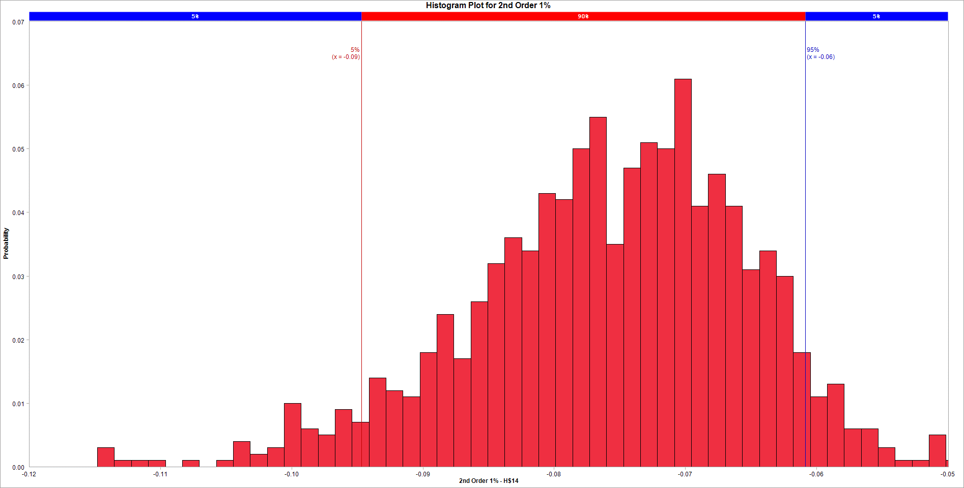
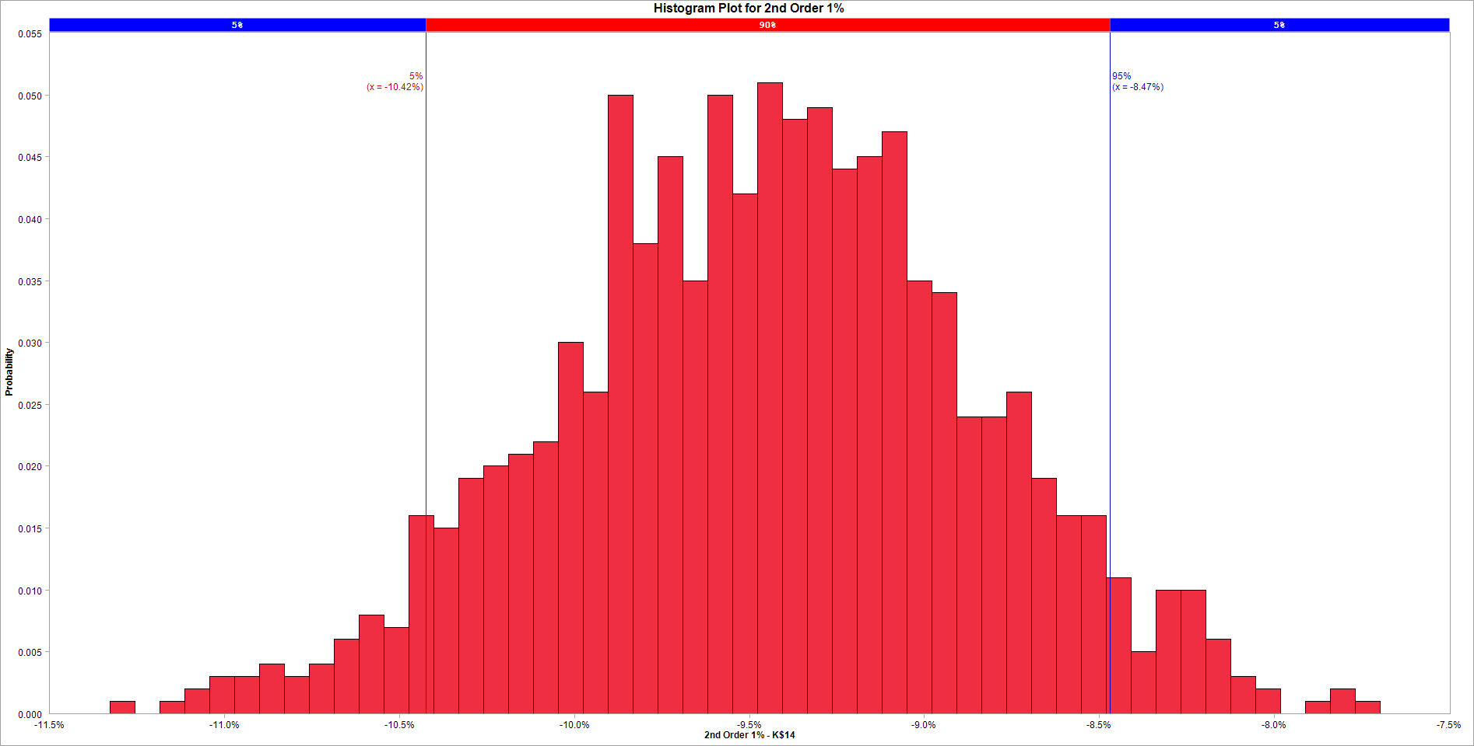

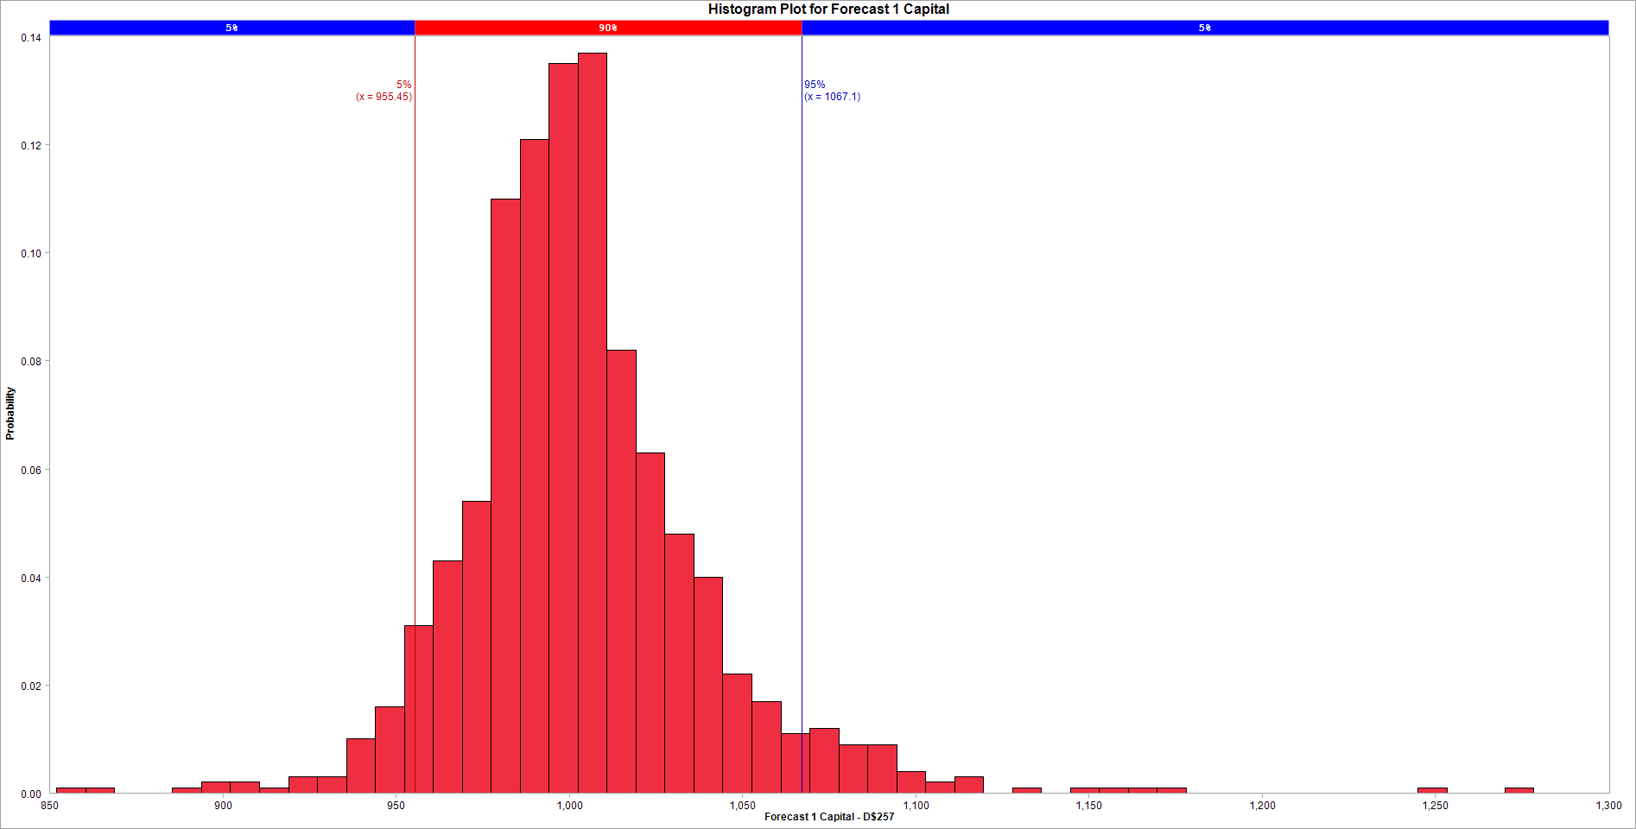
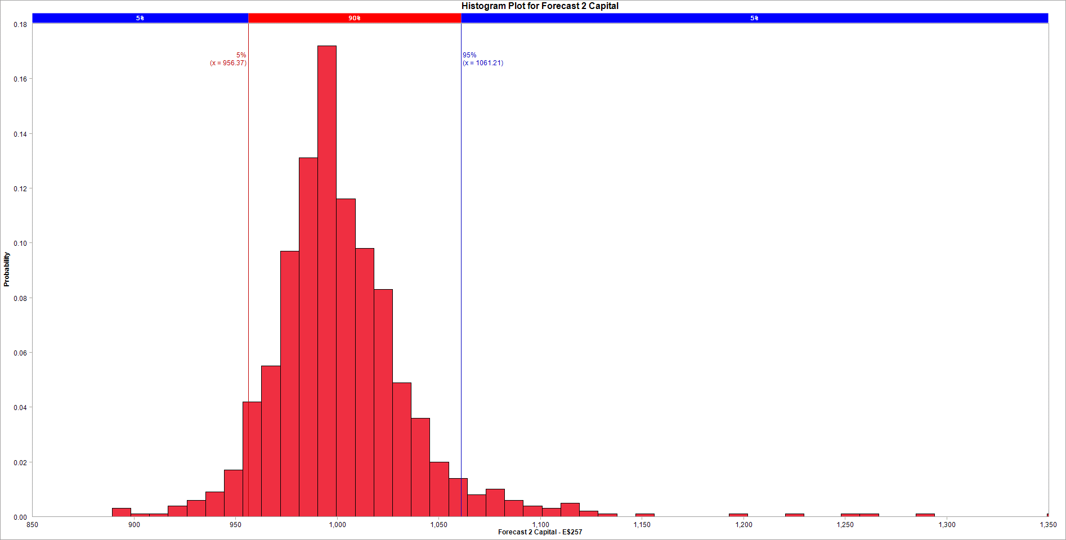

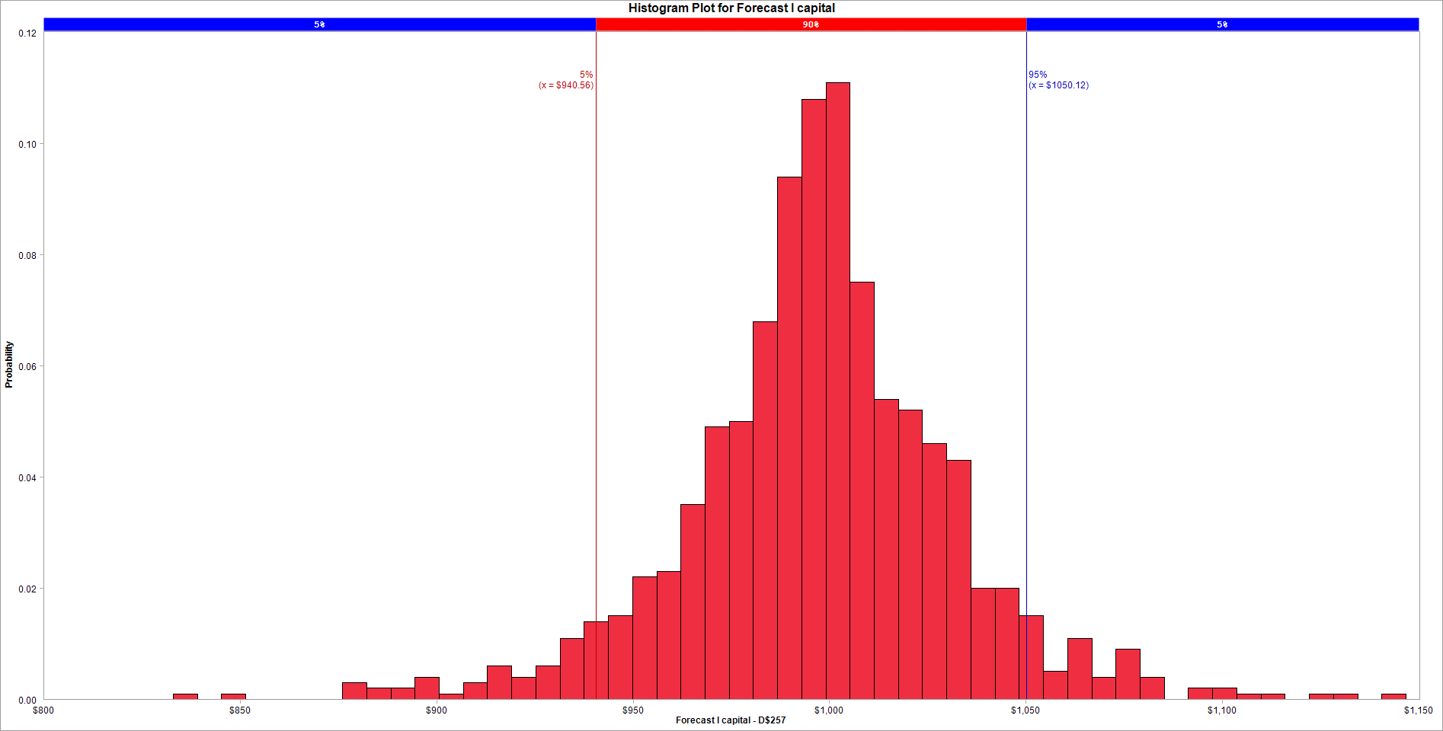
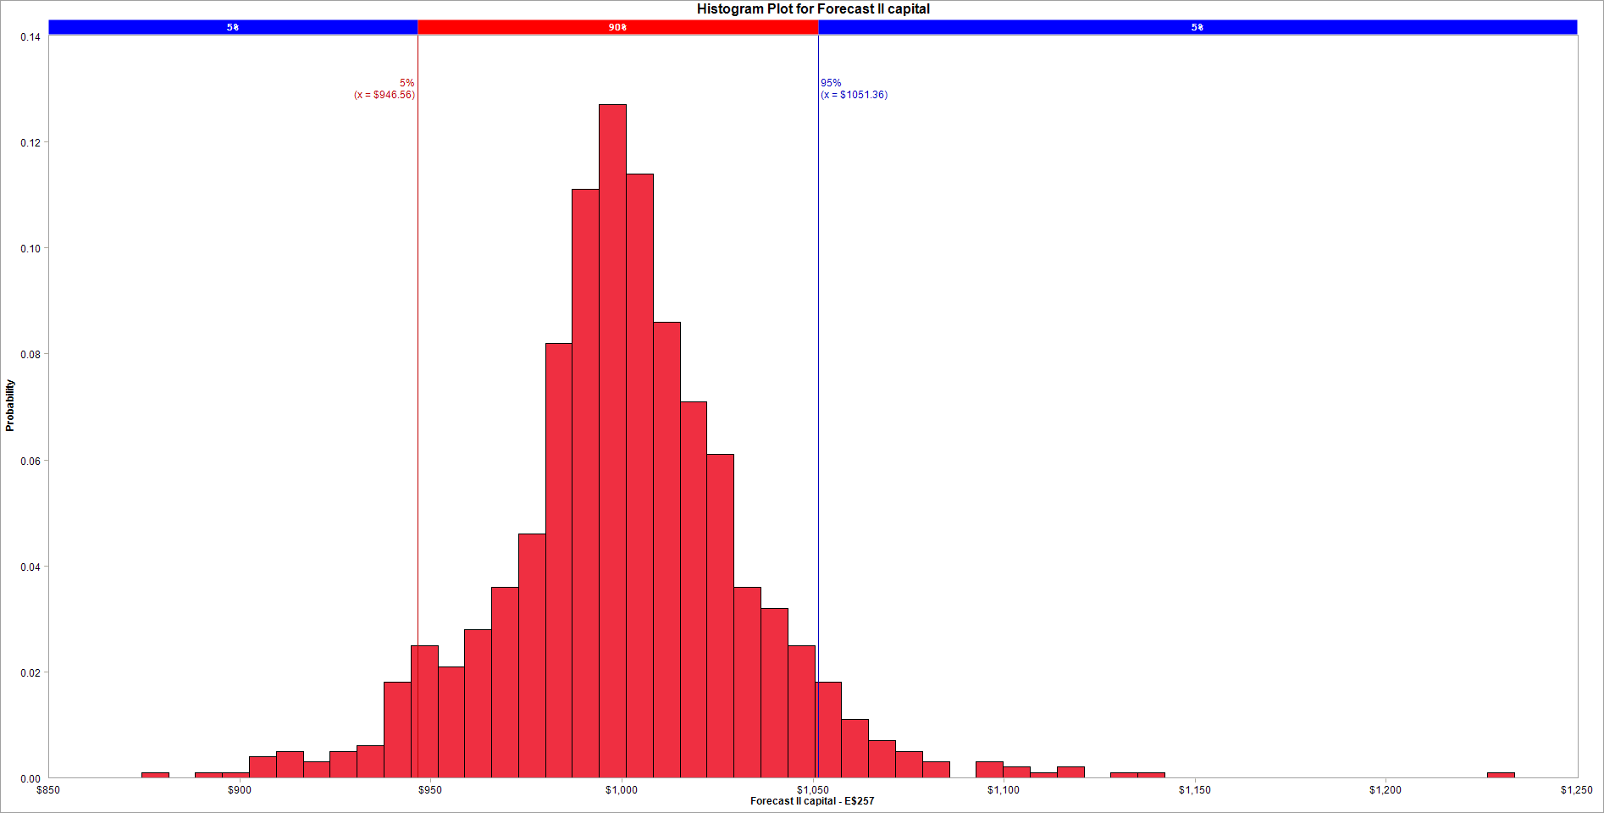
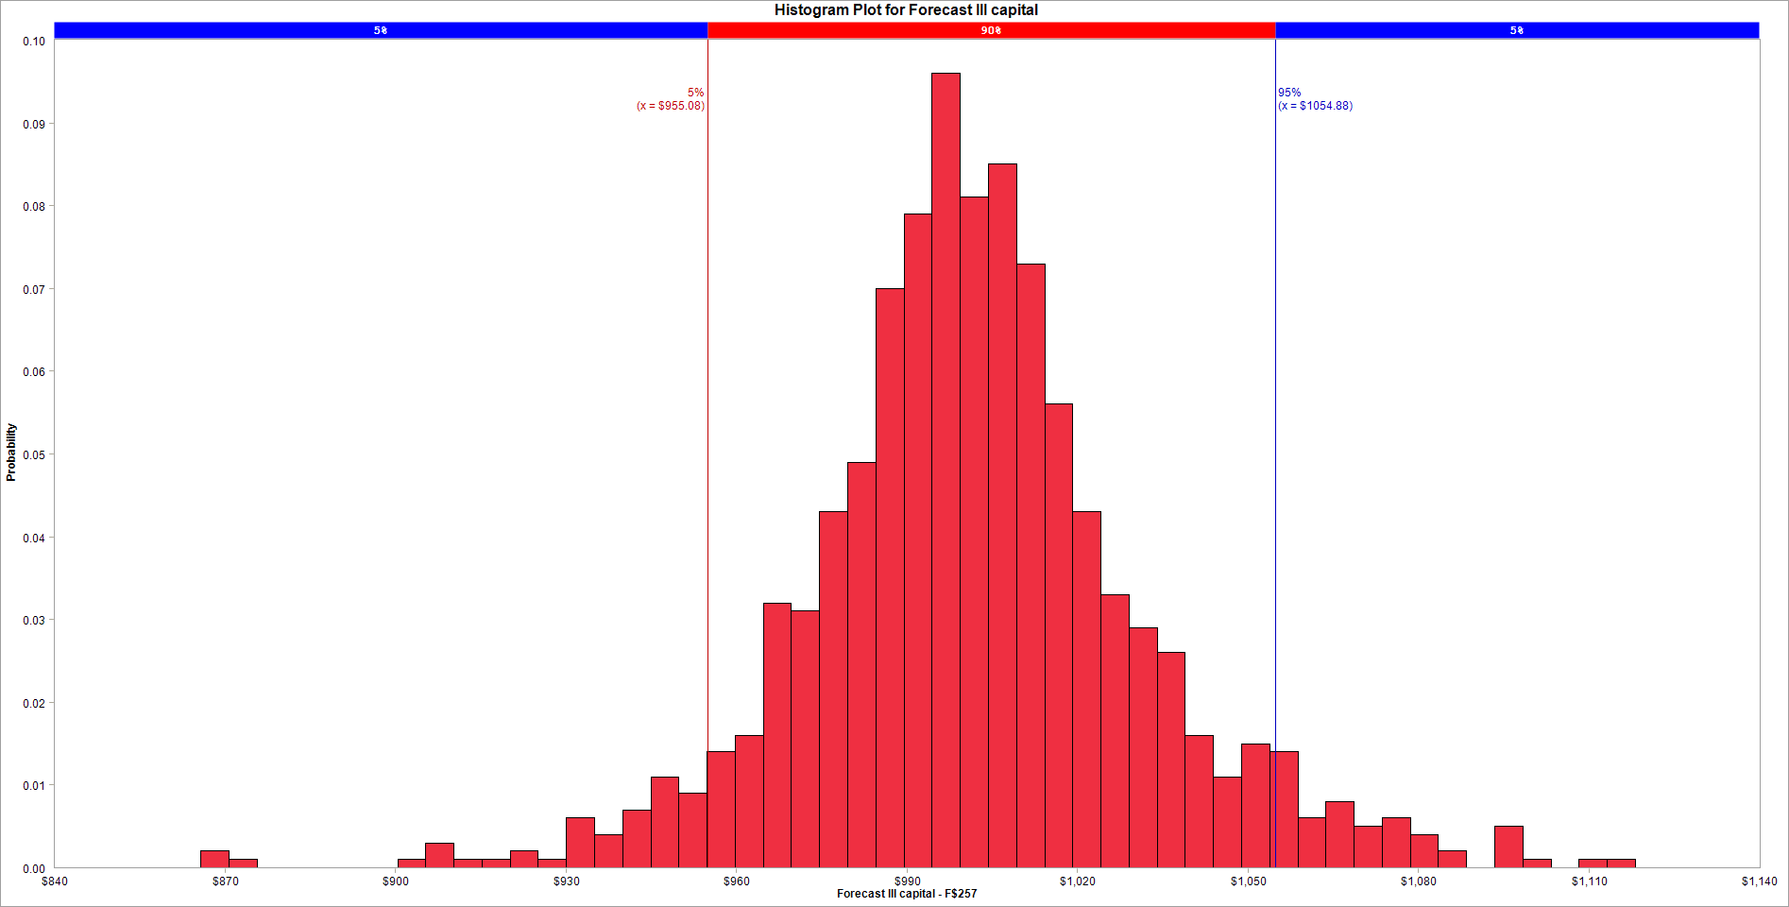

Variable Name | 1. 1st Order 1% | Variable Name | 1. 1st Order 1% | Variable Name | 1. 2nd Order 1% | Variable Name | 1. 2nd Order 1% | Variable Name | 1. BMA 1% | Variable Name | 1. BMA 1% | Variable Name | 1. Forecast 1 Capital | Variable Name | 1. Forecast 2 Capital
Location | [Answer 6.xlsx]Answer 6 Model'!H$10 | Location | [VaR4.xlsx]table'!K$10 | Location | [Answer 6.xlsx]Answer 6 Model'!H$14 | Location | [VaR4.xlsx]table'!K$14 | Location | [Answer 6.xlsx]Answer 6 Model'!H$26 | Location | [VaR4.xlsx]table'!K$28 | Location | [Answer 6.xlsx]Answer 6 Model'!D$257 | Location | [Answer 6.xlsx]Answer 6 Model'!E$257
Variable Type | Output | Variable Type | Output | Variable Type | Output | Variable Type | Output | Variable Type | Output | Variable Type | Output | Variable Type | Output | Variable Type | Output
Bar begins at | Fraction of samples | Bar begins at | Fraction of samples | Bar begins at | Fraction of samples | Bar begins at | Fraction of samples | Bar begins at | Fraction of samples | Bar begins at | Fraction of samples | Bar begins at | Fraction of samples | Bar begins at | Fraction of samples
-0.076001004515 | 0 | -0.094984728663 | 0 | -0.11479823332 | 0.003 | -0.11325871857 | 0.001 | -0.057879305961 | 0 | -0.08346930097 | 0 | 852.05813604 | 0.001 | 889.26735755 | 0.003
-0.076001004515 | 0 | -0.094984728663 | 0 | -0.11350515164 | 0.001 | -0.11254755126 | 0 | -0.057879305961 | 0 | -0.08346930097 | 0 | 860.41768535 | 0.001 | 898.46834625 | 0.001
-0.076001004515 | 0 | -0.094984728663 | 0 | -0.11221206996 | 0.001 | -0.11183638395 | 0.001 | -0.057879305961 | 0 | -0.08346930097 | 0 | 868.77723467 | 0 | 907.66933495 | 0.001
-0.076001004515 | 0 | -0.094984728663 | 0 | -0.11091898828 | 0.001 | -0.11112521664 | 0.002 | -0.057879305961 | 0 | -0.08346930097 | 0 | 877.13678399 | 0 | 916.87032365 | 0.004
-0.076001004515 | 0 | -0.094984728663 | 0 | -0.1096259066 | 0 | -0.11041404933 | 0.003 | -0.057879305961 | 0 | -0.08346930097 | 0 | 885.4963333 | 0.001 | 926.07131236 | 0.006
-0.076001004515 | 0 | -0.094984728663 | 0 | -0.10833282492 | 0.001 | -0.10970288202 | 0.003 | -0.057879305961 | 0 | -0.08346930097 | 0 | 893.85588262 | 0.002 | 935.27230106 | 0.009
-0.076001004515 | 0 | -0.094984728663 | 0 | -0.10703974324 | 0 | -0.10899171471 | 0.004 | -0.057879305961 | 0 | -0.08346930097 | 0 | 902.21543194 | 0.002 | 944.47328976 | 0.017
-0.076001004515 | 0 | -0.094984728663 | 0 | -0.10574666156 | 0.001 | -0.1082805474 | 0.003 | -0.057879305961 | 0 | -0.08346930097 | 0 | 910.57498126 | 0.001 | 953.67427846 | 0.042
-0.076001004515 | 0 | -0.094984728663 | 0 | -0.10445357988 | 0.004 | -0.10756938008 | 0.004 | -0.057879305961 | 0 | -0.08346930097 | 0 | 918.93453057 | 0.003 | 962.87526716 | 0.055
-0.076001004515 | 0 | -0.094984728663 | 0 | -0.10316049821 | 0.002 | -0.10685821277 | 0.006 | -0.057879305961 | 0 | -0.08346930097 | 0 | 927.29407989 | 0.003 | 972.07625586 | 0.097
-0.076001004515 | 0 | -0.094984728663 | 0 | -0.10186741653 | 0.003 | -0.10614704546 | 0.008 | -0.057879305961 | 0 | -0.08346930097 | 0 | 935.65362921 | 0.01 | 981.27724456 | 0.131
-0.076001004515 | 0 | -0.094984728663 | 0 | -0.10057433485 | 0.01 | -0.10543587815 | 0.007 | -0.057879305961 | 0 | -0.08346930097 | 0 | 944.01317852 | 0.016 | 990.47823327 | 0.172
-0.076001004515 | 0 | -0.094984728663 | 0 | -0.099281253168 | 0.006 | -0.10472471084 | 0.016 | -0.057879305961 | 0 | -0.08346930097 | 0 | 952.37272784 | 0.031 | 999.67922197 | 0.116
-0.076001004515 | 0 | -0.094984728663 | 0 | -0.097988171489 | 0.005 | -0.10401354353 | 0.015 | -0.057879305961 | 0 | -0.08346930097 | 0 | 960.73227716 | 0.043 | 1008.8802107 | 0.098
-0.076001004515 | 0 | -0.094984728663 | 0 | -0.09669508981 | 0.009 | -0.10330237622 | 0.019 | -0.057879305961 | 0 | -0.08346930097 | 0 | 969.09182647 | 0.054 | 1018.0811994 | 0.083
-0.076001004515 | 0 | -0.094984728663 | 0 | -0.095402008131 | 0.007 | -0.10259120891 | 0.02 | -0.057879305961 | 0 | -0.08346930097 | 0 | 977.45137579 | 0.11 | 1027.2821881 | 0.049
-0.076001004515 | 0 | -0.094984728663 | 0 | -0.094108926452 | 0.014 | -0.1018800416 | 0.021 | -0.057879305961 | 0 | -0.08346930097 | 0 | 985.81092511 | 0.121 | 1036.4831768 | 0.036
-0.076001004515 | 0 | -0.094984728663 | 0 | -0.092815844773 | 0.012 | -0.10116887429 | 0.022 | -0.057879305961 | 0 | -0.08346930097 | 0 | 994.17047443 | 0.135 | 1045.6841655 | 0.02
-0.076001004515 | 0 | -0.094984728663 | 0 | -0.091522763093 | 0.011 | -0.10045770698 | 0.03 | -0.057879305961 | 0 | -0.08346930097 | 0 | 1002.5300237 | 0.137 | 1054.8851542 | 0.014
-0.076001004515 | 0 | -0.094984728663 | 0 | -0.090229681414 | 0.018 | -0.099746539668 | 0.026 | -0.057879305961 | 0 | -0.08346930097 | 0 | 1010.8895731 | 0.082 | 1064.0861429 | 0.008
-0.076001004515 | 0 | -0.094984728663 | 0 | -0.088936599735 | 0.024 | -0.099035372358 | 0.05 | -0.057879305961 | 0 | -0.08346930097 | 0 | 1019.2491224 | 0.063 | 1073.2871316 | 0.01
-0.076001004515 | 0 | -0.094984728663 | 0 | -0.087643518056 | 0.017 | -0.098324205047 | 0.038 | -0.057879305961 | 0 | -0.08346930097 | 0 | 1027.6086717 | 0.048 | 1082.4881203 | 0.006
-0.076001004515 | 0 | -0.094984728663 | 0 | -0.086350436377 | 0.026 | -0.097613037737 | 0.045 | -0.057879305961 | 0 | -0.08346930097 | 0 | 1035.968221 | 0.04 | 1091.689109 | 0.004
-0.076001004515 | 0 | -0.094984728663 | 0 | -0.085057354698 | 0.032 | -0.096901870426 | 0.035 | -0.057879305961 | 0 | -0.08346930097 | 0 | 1044.3277703 | 0.022 | 1100.8900977 | 0.003
-0.076001004515 | 0 | -0.094984728663 | 0 | -0.083764273018 | 0.036 | -0.096190703116 | 0.05 | -0.057879305961 | 0 | -0.08346930097 | 0 | 1052.6873196 | 0.017 | 1110.0910864 | 0.005
-0.076001004515 | 0 | -0.094984728663 | 0 | -0.082471191339 | 0.034 | -0.095479535805 | 0.042 | -0.057879305961 | 0 | -0.08346930097 | 0 | 1061.046869 | 0.011 | 1119.2920751 | 0.002
-0.076001004515 | 0 | -0.094984728663 | 0 | -0.08117810966 | 0.043 | -0.094768368495 | 0.051 | -0.057879305961 | 0 | -0.08346930097 | 0 | 1069.4064183 | 0.012 | 1128.4930638 | 0.001
-0.076001004515 | 0 | -0.094984728663 | 0 | -0.079885027981 | 0.042 | -0.094057201184 | 0.048 | -0.057879305961 | 0 | -0.08346930097 | 0 | 1077.7659676 | 0.009 | 1137.6940525 | 0
-0.076001004515 | 0 | -0.094984728663 | 0 | -0.078591946302 | 0.05 | -0.093346033874 | 0.049 | -0.057879305961 | 0 | -0.08346930097 | 0 | 1086.1255169 | 0.009 | 1146.8950412 | 0.001
-0.076001004515 | 0 | -0.094984728663 | 0 | -0.077298864623 | 0.055 | -0.092634866563 | 0.044 | -0.057879305961 | 0 | -0.08346930097 | 0 | 1094.4850662 | 0.004 | 1156.0960299 | 0
-0.076001004515 | 0 | -0.094984728663 | 0 | -0.076005782944 | 0.035 | -0.091923699252 | 0.045 | -0.057879305961 | 0 | -0.08346930097 | 0 | 1102.8446155 | 0.002 | 1165.2970186 | 0
-0.076001004515 | 0 | -0.094984728663 | 0 | -0.074712701264 | 0.047 | -0.091212531942 | 0.047 | -0.057879305961 | 0 | -0.08346930097 | 0 | 1111.2041649 | 0.003 | 1174.4980073 | 0
-0.076001004515 | 0 | -0.094984728663 | 0 | -0.073419619585 | 0.051 | -0.090501364631 | 0.035 | -0.057879305961 | 0 | -0.08346930097 | 0 | 1119.5637142 | 0 | 1183.698996 | 0
-0.076001004515 | 0 | -0.094984728663 | 0 | -0.072126537906 | 0.05 | -0.089790197321 | 0.034 | -0.057879305961 | 0 | -0.08346930097 | 0 | 1127.9232635 | 0.001 | 1192.8999847 | 0.001
-0.076001004515 | 0 | -0.094984728663 | 0 | -0.070833456227 | 0.061 | -0.08907903001 | 0.024 | -0.057879305961 | 0 | -0.08346930097 | 0 | 1136.2828128 | 0 | 1202.1009734 | 0
-0.076001004515 | 0 | -0.094984728663 | 0 | -0.069540374548 | 0.041 | -0.0883678627 | 0.024 | -0.057879305961 | 0 | -0.08346930097 | 0 | 1144.6423621 | 0.001 | 1211.3019621 | 0
-0.076001004515 | 0 | -0.094984728663 | 0 | -0.068247292869 | 0.046 | -0.087656695389 | 0.026 | -0.057879305961 | 0 | -0.08346930097 | 0 | 1153.0019114 | 0.001 | 1220.5029508 | 0.001
-0.076001004515 | 0 | -0.094984728663 | 0 | -0.066954211189 | 0.041 | -0.086945528079 | 0.019 | -0.057879305961 | 0 | -0.08346930097 | 0 | 1161.3614608 | 0.001 | 1229.7039395 | 0
-0.076001004515 | 0 | -0.094984728663 | 0 | -0.06566112951 | 0.031 | -0.086234360768 | 0.016 | -0.057879305961 | 0 | -0.08346930097 | 0 | 1169.7210101 | 0.001 | 1238.9049282 | 0
-0.076001004515 | 0 | -0.094984728663 | 0 | -0.064368047831 | 0.034 | -0.085523193457 | 0.016 | -0.057879305961 | 0 | -0.08346930097 | 0 | 1178.0805594 | 0 | 1248.1059169 | 0.001
-0.076001004515 | 0 | -0.094984728663 | 0 | -0.063074966152 | 0.03 | -0.084812026147 | 0.011 | -0.057879305961 | 0 | -0.08346930097 | 0 | 1186.4401087 | 0 | 1257.3069056 | 0.001
-0.076001004515 | 0 | -0.094984728663 | 0 | -0.061781884473 | 0.018 | -0.084100858836 | 0.005 | -0.057879305961 | 0 | -0.08346930097 | 0 | 1194.799658 | 0 | 1266.5078943 | 0
-0.076001004515 | 0 | -0.094984728663 | 0 | -0.060488802794 | 0.011 | -0.083389691526 | 0.01 | -0.057879305961 | 0 | -0.08346930097 | 0 | 1203.1592074 | 0 | 1275.708883 | 0
-0.076001004515 | 0 | -0.094984728663 | 0 | -0.059195721114 | 0.013 | -0.082678524215 | 0.01 | -0.057879305961 | 0 | -0.08346930097 | 0 | 1211.5187567 | 0 | 1284.9098717 | 0.001
-0.076001004515 | 0 | -0.094984728663 | 0 | -0.057902639435 | 0.006 | -0.081967356905 | 0.006 | -0.057879305961 | 0 | -0.08346930097 | 0 | 1219.878306 | 0 | 1294.1108604 | 0
-0.076001004515 | 0 | -0.094984728663 | 0 | -0.056609557756 | 0.006 | -0.081256189594 | 0.003 | -0.057879305961 | 0 | -0.08346930097 | 0 | 1228.2378553 | 0 | 1303.3118491 | 0
-0.076001004515 | 0 | -0.094984728663 | 0 | -0.055316476077 | 0.003 | -0.080545022284 | 0.002 | -0.057879305961 | 0 | -0.08346930097 | 0 | 1236.5974046 | 0 | 1312.5128378 | 0
-0.076001004515 | 0 | -0.094984728663 | 0 | -0.054023394398 | 0.001 | -0.079833854973 | 0 | -0.057879305961 | 0 | -0.08346930097 | 0 | 1244.9569539 | 0.001 | 1321.7138265 | 0
-0.076001004515 | 0 | -0.094984728663 | 0 | -0.052730312719 | 0.001 | -0.079122687662 | 0.001 | -0.057879305961 | 0 | -0.08346930097 | 0 | 1253.3165033 | 0 | 1330.9148152 | 0
-0.076001004515 | 0 | -0.094984728663 | 0 | -0.05143723104 | 0.005 | -0.078411520352 | 0.002 | -0.057879305961 | 0 | -0.08346930097 | 0 | 1261.6760526 | 0 | 1340.1158039 | 0
-0.076001004515 | 0 | -0.094984728663 | 0 | -0.05014414936 | 0.001 | -0.077700353041 | 0.001 | -0.057879305961 | 0 | -0.08346930097 | 0 | 1270.0356019 | 0.001 | 1349.3167926 | 0.001
-0.076001004515 | 0 | -0.094984728663 | 0 | -0.048851067681 | 0 | -0.076989185731 | 0 | -0.057879305961 | 0 | -0.08346930097 | 0 | 1278.3951512 | 0 | 1358.5177813 | 0

2.Pareto


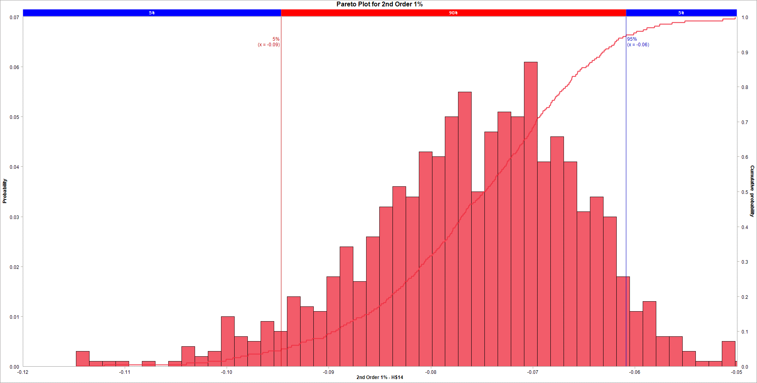
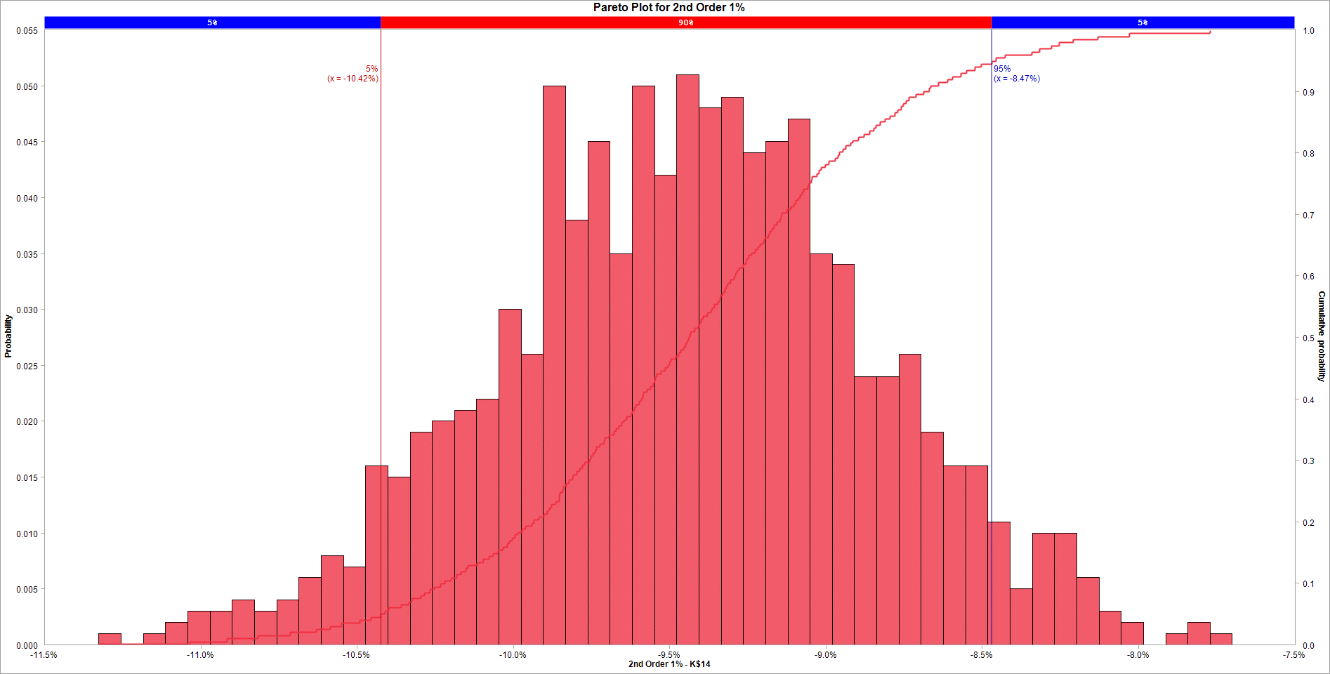

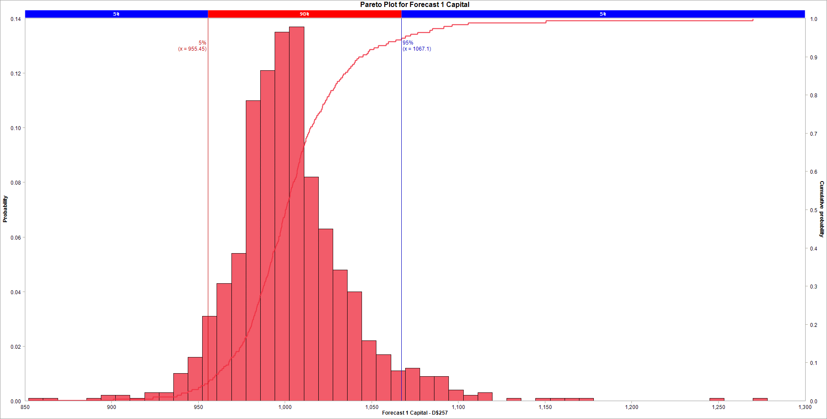


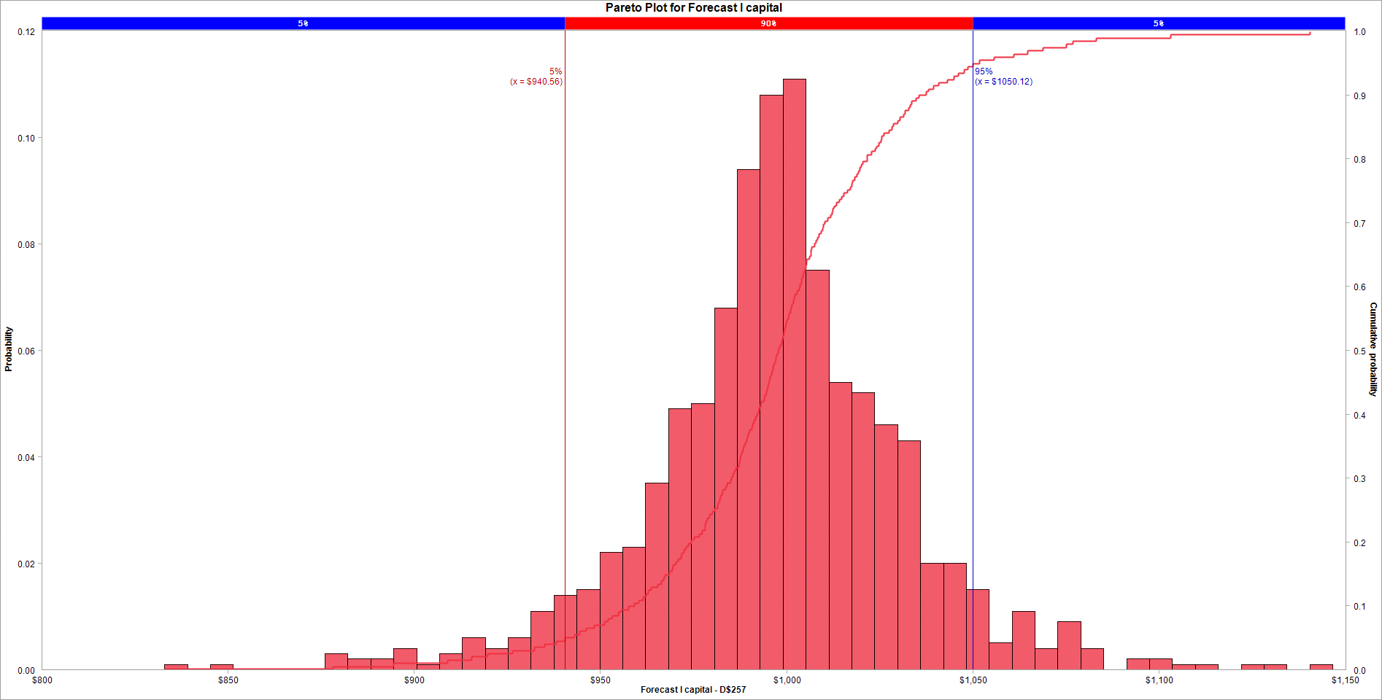
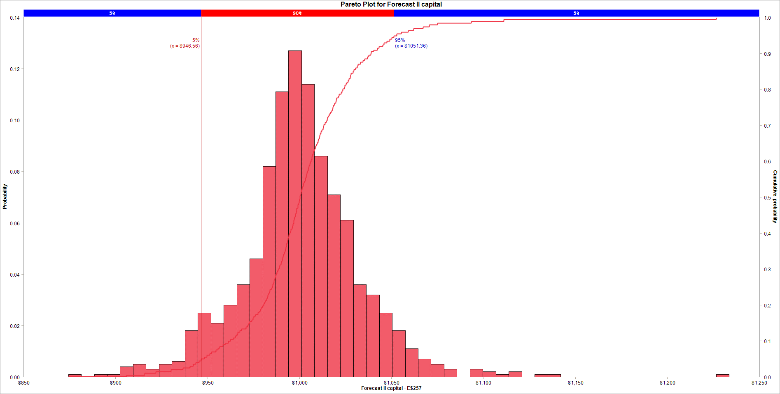


Variable Name | 1. 1st Order 1% |  | Variable Name | 1. 1st Order 1% |  | Variable Name | 1. 2nd Order 1% |  | Variable Name | 1. 2nd Order 1% |  | Variable Name | 1. BMA 1% |  | Variable Name | 1. BMA 1% |  | Variable Name | 1. Forecast 1 Capital |  | Variable Name | 1. Forecast 2 Capital
Location | [Answer 6.xlsx]Answer 6 Model'!H$10 |  | Location | [VaR4.xlsx]table'!K$10 |  | Location | [Answer 6.xlsx]Answer 6 Model'!H$14 |  | Location | [VaR4.xlsx]table'!K$14 |  | Location | [Answer 6.xlsx]Answer 6 Model'!H$26 |  | Location | [VaR4.xlsx]table'!K$28 |  | Location | [Answer 6.xlsx]Answer 6 Model'!D$257 |  | Location | [Answer 6.xlsx]Answer 6 Model'!E$257
Variable Type | Output |  | Variable Type | Output |  | Variable Type | Output |  | Variable Type | Output |  | Variable Type | Output |  | Variable Type | Output |  | Variable Type | Output |  | Variable Type | Output
Bar begins at | Fraction of samples |  | Bar begins at | Fraction of samples |  | Bar begins at | Fraction of samples |  | Bar begins at | Fraction of samples |  | Bar begins at | Fraction of samples |  | Bar begins at | Fraction of samples |  | Bar begins at | Fraction of samples |  | Bar begins at | Fraction of samples
-0.076001004515 | 0 |  | -0.094984728663 | 0 |  | -0.11479823332 | 0.003 |  | -0.11325871857 | 0.001 |  | -0.057879305961 | 0 |  | -0.08346930097 | 0 |  | 852.05813604 | 0.001 |  | 889.26735755 | 0.003
-0.076001004515 | 0 |  | -0.094984728663 | 0 |  | -0.11350515164 | 0.001 |  | -0.11254755126 | 0 |  | -0.057879305961 | 0 |  | -0.08346930097 | 0 |  | 860.41768535 | 0.001 |  | 898.46834625 | 0.001
-0.076001004515 | 0 |  | -0.094984728663 | 0 |  | -0.11221206996 | 0.001 |  | -0.11183638395 | 0.001 |  | -0.057879305961 | 0 |  | -0.08346930097 | 0 |  | 868.77723467 | 0 |  | 907.66933495 | 0.001
-0.076001004515 | 0 |  | -0.094984728663 | 0 |  | -0.11091898828 | 0.001 |  | -0.11112521664 | 0.002 |  | -0.057879305961 | 0 |  | -0.08346930097 | 0 |  | 877.13678399 | 0 |  | 916.87032365 | 0.004
-0.076001004515 | 0 |  | -0.094984728663 | 0 |  | -0.1096259066 | 0 |  | -0.11041404933 | 0.003 |  | -0.057879305961 | 0 |  | -0.08346930097 | 0 |  | 885.4963333 | 0.001 |  | 926.07131236 | 0.006
-0.076001004515 | 0 |  | -0.094984728663 | 0 |  | -0.10833282492 | 0.001 |  | -0.10970288202 | 0.003 |  | -0.057879305961 | 0 |  | -0.08346930097 | 0 |  | 893.85588262 | 0.002 |  | 935.27230106 | 0.009
-0.076001004515 | 0 |  | -0.094984728663 | 0 |  | -0.10703974324 | 0 |  | -0.10899171471 | 0.004 |  | -0.057879305961 | 0 |  | -0.08346930097 | 0 |  | 902.21543194 | 0.002 |  | 944.47328976 | 0.017
-0.076001004515 | 0 |  | -0.094984728663 | 0 |  | -0.10574666156 | 0.001 |  | -0.1082805474 | 0.003 |  | -0.057879305961 | 0 |  | -0.08346930097 | 0 |  | 910.57498126 | 0.001 |  | 953.67427846 | 0.042
-0.076001004515 | 0 |  | -0.094984728663 | 0 |  | -0.10445357988 | 0.004 |  | -0.10756938008 | 0.004 |  | -0.057879305961 | 0 |  | -0.08346930097 | 0 |  | 918.93453057 | 0.003 |  | 962.87526716 | 0.055
-0.076001004515 | 0 |  | -0.094984728663 | 0 |  | -0.10316049821 | 0.002 |  | -0.10685821277 | 0.006 |  | -0.057879305961 | 0 |  | -0.08346930097 | 0 |  | 927.29407989 | 0.003 |  | 972.07625586 | 0.097
-0.076001004515 | 0 |  | -0.094984728663 | 0 |  | -0.10186741653 | 0.003 |  | -0.10614704546 | 0.008 |  | -0.057879305961 | 0 |  | -0.08346930097 | 0 |  | 935.65362921 | 0.01 |  | 981.27724456 | 0.131
-0.076001004515 | 0 |  | -0.094984728663 | 0 |  | -0.10057433485 | 0.01 |  | -0.10543587815 | 0.007 |  | -0.057879305961 | 0 |  | -0.08346930097 | 0 |  | 944.01317852 | 0.016 |  | 990.47823327 | 0.172
-0.076001004515 | 0 |  | -0.094984728663 | 0 |  | -0.099281253168 | 0.006 |  | -0.10472471084 | 0.016 |  | -0.057879305961 | 0 |  | -0.08346930097 | 0 |  | 952.37272784 | 0.031 |  | 999.67922197 | 0.116
-0.076001004515 | 0 |  | -0.094984728663 | 0 |  | -0.097988171489 | 0.005 |  | -0.10401354353 | 0.015 |  | -0.057879305961 | 0 |  | -0.08346930097 | 0 |  | 960.73227716 | 0.043 |  | 1008.8802107 | 0.098
-0.076001004515 | 0 |  | -0.094984728663 | 0 |  | -0.09669508981 | 0.009 |  | -0.10330237622 | 0.019 |  | -0.057879305961 | 0 |  | -0.08346930097 | 0 |  | 969.09182647 | 0.054 |  | 1018.0811994 | 0.083
-0.076001004515 | 0 |  | -0.094984728663 | 0 |  | -0.095402008131 | 0.007 |  | -0.10259120891 | 0.02 |  | -0.057879305961 | 0 |  | -0.08346930097 | 0 |  | 977.45137579 | 0.11 |  | 1027.2821881 | 0.049
-0.076001004515 | 0 |  | -0.094984728663 | 0 |  | -0.094108926452 | 0.014 |  | -0.1018800416 | 0.021 |  | -0.057879305961 | 0 |  | -0.08346930097 | 0 |  | 985.81092511 | 0.121 |  | 1036.4831768 | 0.036
-0.076001004515 | 0 |  | -0.094984728663 | 0 |  | -0.092815844773 | 0.012 |  | -0.10116887429 | 0.022 |  | -0.057879305961 | 0 |  | -0.08346930097 | 0 |  | 994.17047443 | 0.135 |  | 1045.6841655 | 0.02
-0.076001004515 | 0 |  | -0.094984728663 | 0 |  | -0.091522763093 | 0.011 |  | -0.10045770698 | 0.03 |  | -0.057879305961 | 0 |  | -0.08346930097 | 0 |  | 1002.5300237 | 0.137 |  | 1054.8851542 | 0.014
-0.076001004515 | 0 |  | -0.094984728663 | 0 |  | -0.090229681414 | 0.018 |  | -0.099746539668 | 0.026 |  | -0.057879305961 | 0 |  | -0.08346930097 | 0 |  | 1010.8895731 | 0.082 |  | 1064.0861429 | 0.008
-0.076001004515 | 0 |  | -0.094984728663 | 0 |  | -0.088936599735 | 0.024 |  | -0.099035372358 | 0.05 |  | -0.057879305961 | 0 |  | -0.08346930097 | 0 |  | 1019.2491224 | 0.063 |  | 1073.2871316 | 0.01
-0.076001004515 | 0 |  | -0.094984728663 | 0 |  | -0.087643518056 | 0.017 |  | -0.098324205047 | 0.038 |  | -0.057879305961 | 0 |  | -0.08346930097 | 0 |  | 1027.6086717 | 0.048 |  | 1082.4881203 | 0.006
-0.076001004515 | 0 |  | -0.094984728663 | 0 |  | -0.086350436377 | 0.026 |  | -0.097613037737 | 0.045 |  | -0.057879305961 | 0 |  | -0.08346930097 | 0 |  | 1035.968221 | 0.04 |  | 1091.689109 | 0.004
-0.076001004515 | 0 |  | -0.094984728663 | 0 |  | -0.085057354698 | 0.032 |  | -0.096901870426 | 0.035 |  | -0.057879305961 | 0 |  | -0.08346930097 | 0 |  | 1044.3277703 | 0.022 |  | 1100.8900977 | 0.003
-0.076001004515 | 0 |  | -0.094984728663 | 0 |  | -0.083764273018 | 0.036 |  | -0.096190703116 | 0.05 |  | -0.057879305961 | 0 |  | -0.08346930097 | 0 |  | 1052.6873196 | 0.017 |  | 1110.0910864 | 0.005
-0.076001004515 | 0 |  | -0.094984728663 | 0 |  | -0.082471191339 | 0.034 |  | -0.095479535805 | 0.042 |  | -0.057879305961 | 0 |  | -0.08346930097 | 0 |  | 1061.046869 | 0.011 |  | 1119.2920751 | 0.002
-0.076001004515 | 0 |  | -0.094984728663 | 0 |  | -0.08117810966 | 0.043 |  | -0.094768368495 | 0.051 |  | -0.057879305961 | 0 |  | -0.08346930097 | 0 |  | 1069.4064183 | 0.012 |  | 1128.4930638 | 0.001
-0.076001004515 | 0 |  | -0.094984728663 | 0 |  | -0.079885027981 | 0.042 |  | -0.094057201184 | 0.048 |  | -0.057879305961 | 0 |  | -0.08346930097 | 0 |  | 1077.7659676 | 0.009 |  | 1137.6940525 | 0
-0.076001004515 | 0 |  | -0.094984728663 | 0 |  | -0.078591946302 | 0.05 |  | -0.093346033874 | 0.049 |  | -0.057879305961 | 0 |  | -0.08346930097 | 0 |  | 1086.1255169 | 0.009 |  | 1146.8950412 | 0.001
-0.076001004515 | 0 |  | -0.094984728663 | 0 |  | -0.077298864623 | 0.055 |  | -0.092634866563 | 0.044 |  | -0.057879305961 | 0 |  | -0.08346930097 | 0 |  | 1094.4850662 | 0.004 |  | 1156.0960299 | 0
-0.076001004515 | 0 |  | -0.094984728663 | 0 |  | -0.076005782944 | 0.035 |  | -0.091923699252 | 0.045 |  | -0.057879305961 | 0 |  | -0.08346930097 | 0 |  | 1102.8446155 | 0.002 |  | 1165.2970186 | 0
-0.076001004515 | 0 |  | -0.094984728663 | 0 |  | -0.074712701264 | 0.047 |  | -0.091212531942 | 0.047 |  | -0.057879305961 | 0 |  | -0.08346930097 | 0 |  | 1111.2041649 | 0.003 |  | 1174.4980073 | 0
-0.076001004515 | 0 |  | -0.094984728663 | 0 |  | -0.073419619585 | 0.051 |  | -0.090501364631 | 0.035 |  | -0.057879305961 | 0 |  | -0.08346930097 | 0 |  | 1119.5637142 | 0 |  | 1183.698996 | 0
-0.076001004515 | 0 |  | -0.094984728663 | 0 |  | -0.072126537906 | 0.05 |  | -0.089790197321 | 0.034 |  | -0.057879305961 | 0 |  | -0.08346930097 | 0 |  | 1127.9232635 | 0.001 |  | 1192.8999847 | 0.001
-0.076001004515 | 0 |  | -0.094984728663 | 0 |  | -0.070833456227 | 0.061 |  | -0.08907903001 | 0.024 |  | -0.057879305961 | 0 |  | -0.08346930097 | 0 |  | 1136.2828128 | 0 |  | 1202.1009734 | 0
-0.076001004515 | 0 |  | -0.094984728663 | 0 |  | -0.069540374548 | 0.041 |  | -0.0883678627 | 0.024 |  | -0.057879305961 | 0 |  | -0.08346930097 | 0 |  | 1144.6423621 | 0.001 |  | 1211.3019621 | 0
-0.076001004515 | 0 |  | -0.094984728663 | 0 |  | -0.068247292869 | 0.046 |  | -0.087656695389 | 0.026 |  | -0.057879305961 | 0 |  | -0.08346930097 | 0 |  | 1153.0019114 | 0.001 |  | 1220.5029508 | 0.001
-0.076001004515 | 0 |  | -0.094984728663 | 0 |  | -0.066954211189 | 0.041 |  | -0.086945528079 | 0.019 |  | -0.057879305961 | 0 |  | -0.08346930097 | 0 |  | 1161.3614608 | 0.001 |  | 1229.7039395 | 0
-0.076001004515 | 0 |  | -0.094984728663 | 0 |  | -0.06566112951 | 0.031 |  | -0.086234360768 | 0.016 |  | -0.057879305961 | 0 |  | -0.08346930097 | 0 |  | 1169.7210101 | 0.001 |  | 1238.9049282 | 0
-0.076001004515 | 0 |  | -0.094984728663 | 0 |  | -0.064368047831 | 0.034 |  | -0.085523193457 | 0.016 |  | -0.057879305961 | 0 |  | -0.08346930097 | 0 |  | 1178.0805594 | 0 |  | 1248.1059169 | 0.001
-0.076001004515 | 0 |  | -0.094984728663 | 0 |  | -0.063074966152 | 0.03 |  | -0.084812026147 | 0.011 |  | -0.057879305961 | 0 |  | -0.08346930097 | 0 |  | 1186.4401087 | 0 |  | 1257.3069056 | 0.001
-0.076001004515 | 0 |  | -0.094984728663 | 0 |  | -0.061781884473 | 0.018 |  | -0.084100858836 | 0.005 |  | -0.057879305961 | 0 |  | -0.08346930097 | 0 |  | 1194.799658 | 0 |  | 1266.5078943 | 0
-0.076001004515 | 0 |  | -0.094984728663 | 0 |  | -0.060488802794 | 0.011 |  | -0.083389691526 | 0.01 |  | -0.057879305961 | 0 |  | -0.08346930097 | 0 |  | 1203.1592074 | 0 |  | 1275.708883 | 0
-0.076001004515 | 0 |  | -0.094984728663 | 0 |  | -0.059195721114 | 0.013 |  | -0.082678524215 | 0.01 |  | -0.057879305961 | 0 |  | -0.08346930097 | 0 |  | 1211.5187567 | 0 |  | 1284.9098717 | 0.001
-0.076001004515 | 0 |  | -0.094984728663 | 0 |  | -0.057902639435 | 0.006 |  | -0.081967356905 | 0.006 |  | -0.057879305961 | 0 |  | -0.08346930097 | 0 |  | 1219.878306 | 0 |  | 1294.1108604 | 0
-0.076001004515 | 0 |  | -0.094984728663 | 0 |  | -0.056609557756 | 0.006 |  | -0.081256189594 | 0.003 |  | -0.057879305961 | 0 |  | -0.08346930097 | 0 |  | 1228.2378553 | 0 |  | 1303.3118491 | 0
-0.076001004515 | 0 |  | -0.094984728663 | 0 |  | -0.055316476077 | 0.003 |  | -0.080545022284 | 0.002 |  | -0.057879305961 | 0 |  | -0.08346930097 | 0 |  | 1236.5974046 | 0 |  | 1312.5128378 | 0
-0.076001004515 | 0 |  | -0.094984728663 | 0 |  | -0.054023394398 | 0.001 |  | -0.079833854973 | 0 |  | -0.057879305961 | 0 |  | -0.08346930097 | 0 |  | 1244.9569539 | 0.001 |  | 1321.7138265 | 0
-0.076001004515 | 0 |  | -0.094984728663 | 0 |  | -0.052730312719 | 0.001 |  | -0.079122687662 | 0.001 |  | -0.057879305961 | 0 |  | -0.08346930097 | 0 |  | 1253.3165033 | 0 |  | 1330.9148152 | 0
-0.076001004515 | 0 |  | -0.094984728663 | 0 |  | -0.05143723104 | 0.005 |  | -0.078411520352 | 0.002 |  | -0.057879305961 | 0 |  | -0.08346930097 | 0 |  | 1261.6760526 | 0 |  | 1340.1158039 | 0
-0.076001004515 | 0 |  | -0.094984728663 | 0 |  | -0.05014414936 | 0.001 |  | -0.077700353041 | 0.001 |  | -0.057879305961 | 0 |  | -0.08346930097 | 0 |  | 1270.0356019 | 0.001 |  | 1349.3167926 | 0.001
-0.076001004515 | 0 |  | -0.094984728663 | 0 |  | -0.048851067681 | 0 |  | -0.076989185731 | 0 |  | -0.057879305961 | 0 |  | -0.08346930097 | 0 |  | 1278.3951512 | 0 |  | 1358.5177813 | 0

Cumulative Points : |  |  | Cumulative Points : |  |  | Cumulative Points : |  |  | Cumulative Points : |  |  | Cumulative Points : |  |  | Cumulative Points : |  |  | Cumulative Points : |  |  | Cumulative Points :
Variable Name | 1. 1st Order 1% |  | Variable Name | 1. 1st Order 1% |  | Variable Name | 1. 2nd Order 1% |  | Variable Name | 1. 2nd Order 1% |  | Variable Name | 1. BMA 1% |  | Variable Name | 1. BMA 1% |  | Variable Name | 1. Forecast 1 Capital |  | Variable Name | 1. Forecast 2 Capital
Location | [Answer 6.xlsx]Answer 6 Model'!H$10 |  | Location | [VaR4.xlsx]table'!K$10 |  | Location | [Answer 6.xlsx]Answer 6 Model'!H$14 |  | Location | [VaR4.xlsx]table'!K$14 |  | Location | [Answer 6.xlsx]Answer 6 Model'!H$26 |  | Location | [VaR4.xlsx]table'!K$28 |  | Location | [Answer 6.xlsx]Answer 6 Model'!D$257 |  | Location | [Answer 6.xlsx]Answer 6 Model'!E$257
Variable Type | Output |  | Variable Type | Output |  | Variable Type | Output |  | Variable Type | Output |  | Variable Type | Output |  | Variable Type | Output |  | Variable Type | Output |  | Variable Type | Output
 | x | y |  | x | y |  | x | y |  | x | y |  | x | y |  | x | y |  | x | y |  | x | y
 | -0.076001004515 | 0.999000999 |  | -0.094984728663 | 0.999000999 |  | -0.11479823332 | 0.000999000999 |  | -0.11325871857 | 0.000999000999 |  | -0.057879305961 | 0.999000999 |  | -0.08346930097 | 0.999000999 |  | 852.05813604 | 0.000999000999 |  | 889.26735755 | 0.000999000999
 | -0.076001004515 | 0.999000999 |  | -0.094984728663 | 0.999000999 |  | -0.11198951528 | 0.004995004995 |  | -0.11034784907 | 0.004995004995 |  | -0.057879305961 | 0.999000999 |  | -0.08346930097 | 0.999000999 |  | 900.88441166 | 0.004995004995 |  | 915.3451212 | 0.004995004995
 | -0.076001004515 | 0.999000999 |  | -0.094984728663 | 0.999000999 |  | -0.10396276431 | 0.00999000999 |  | -0.10914776047 | 0.00999000999 |  | -0.057879305961 | 0.999000999 |  | -0.08346930097 | 0.999000999 |  | 923.7997531 | 0.00999000999 |  | 928.19076692 | 0.00999000999
 | -0.076001004515 | 0.999000999 |  | -0.094984728663 | 0.999000999 |  | -0.10185330769 | 0.014985014985 |  | -0.10817530252 | 0.014985014985 |  | -0.057879305961 | 0.999000999 |  | -0.08346930097 | 0.999000999 |  | 937.7591802 | 0.014985014985 |  | 935.25818639 | 0.014985014985
 | -0.076001004515 | 0.999000999 |  | -0.094984728663 | 0.999000999 |  | -0.1001085219 | 0.01998001998 |  | -0.10714164776 | 0.01998001998 |  | -0.057879305961 | 0.999000999 |  | -0.08346930097 | 0.999000999 |  | 940.10034422 | 0.01998001998 |  | 940.8633795 | 0.01998001998
 | -0.076001004515 | 0.999000999 |  | -0.094984728663 | 0.999000999 |  | -0.099437231325 | 0.024975024975 |  | -0.10630965867 | 0.024975024975 |  | -0.057879305961 | 0.999000999 |  | -0.08346930097 | 0.999000999 |  | 944.08561349 | 0.024975024975 |  | 944.66022183 | 0.024975024975
 | -0.076001004515 | 0.999000999 |  | -0.094984728663 | 0.999000999 |  | -0.098631914395 | 0.02997002997 |  | -0.10586321897 | 0.02997002997 |  | -0.057879305961 | 0.999000999 |  | -0.08346930097 | 0.999000999 |  | 946.36938401 | 0.02997002997 |  | 948.59209499 | 0.02997002997
 | -0.076001004515 | 0.999000999 |  | -0.094984728663 | 0.999000999 |  | -0.097887757012 | 0.034965034965 |  | -0.10549174537 | 0.034965034965 |  | -0.057879305961 | 0.999000999 |  | -0.08346930097 | 0.999000999 |  | 950.10506939 | 0.034965034965 |  | 950.71801918 | 0.034965034965
 | -0.076001004515 | 0.999000999 |  | -0.094984728663 | 0.999000999 |  | -0.096497001628 | 0.03996003996 |  | -0.10492090879 | 0.03996003996 |  | -0.057879305961 | 0.999000999 |  | -0.08346930097 | 0.999000999 |  | 951.65966302 | 0.03996003996 |  | 952.43512079 | 0.03996003996
 | -0.076001004515 | 0.999000999 |  | -0.094984728663 | 0.999000999 |  | -0.09595338031 | 0.044955044955 |  | -0.10454787335 | 0.044955044955 |  | -0.057879305961 | 0.999000999 |  | -0.08346930097 | 0.999000999 |  | 953.59310531 | 0.044955044955 |  | 955.59378592 | 0.044955044955
 | -0.076001004515 | 0.999000999 |  | -0.094984728663 | 0.999000999 |  | -0.094681763469 | 0.04995004995 |  | -0.10423563969 | 0.04995004995 |  | -0.057879305961 | 0.999000999 |  | -0.08346930097 | 0.999000999 |  | 955.4542045 | 0.04995004995 |  | 956.36909199 | 0.04995004995
 | -0.076001004515 | 0.999000999 |  | -0.094984728663 | 0.999000999 |  | -0.093998295687 | 0.054945054945 |  | -0.10409685451 | 0.054945054945 |  | -0.057879305961 | 0.999000999 |  | -0.08346930097 | 0.999000999 |  | 956.22317326 | 0.054945054945 |  | 957.93159629 | 0.054945054945
 | -0.076001004515 | 0.999000999 |  | -0.094984728663 | 0.999000999 |  | -0.093677456829 | 0.05994005994 |  | -0.10399165201 | 0.05994005994 |  | -0.057879305961 | 0.999000999 |  | -0.08346930097 | 0.999000999 |  | 958.3832996 | 0.05994005994 |  | 958.98413376 | 0.05994005994
 | -0.076001004515 | 0.999000999 |  | -0.094984728663 | 0.999000999 |  | -0.092931648104 | 0.064935064935 |  | -0.10359385823 | 0.064935064935 |  | -0.057879305961 | 0.999000999 |  | -0.08346930097 | 0.999000999 |  | 959.30186435 | 0.064935064935 |  | 959.94713974 | 0.064935064935
 | -0.076001004515 | 0.999000999 |  | -0.094984728663 | 0.999000999 |  | -0.092747601187 | 0.06993006993 |  | -0.10333072491 | 0.06993006993 |  | -0.057879305961 | 0.999000999 |  | -0.08346930097 | 0.999000999 |  | 960.2179428 | 0.06993006993 |  | 960.95911506 | 0.06993006993
 | -0.076001004515 | 0.999000999 |  | -0.094984728663 | 0.999000999 |  | -0.092206219371 | 0.074925074925 |  | -0.10325071461 | 0.074925074925 |  | -0.057879305961 | 0.999000999 |  | -0.08346930097 | 0.999000999 |  | 961.7325597 | 0.074925074925 |  | 962.35527845 | 0.074925074925
 | -0.076001004515 | 0.999000999 |  | -0.094984728663 | 0.999000999 |  | -0.091617118998 | 0.07992007992 |  | -0.102955126 | 0.07992007992 |  | -0.057879305961 | 0.999000999 |  | -0.08346930097 | 0.999000999 |  | 962.42205442 | 0.07992007992 |  | 962.58955791 | 0.07992007992
 | -0.076001004515 | 0.999000999 |  | -0.094984728663 | 0.999000999 |  | -0.090540601746 | 0.084915084915 |  | -0.10283885525 | 0.084915084915 |  | -0.057879305961 | 0.999000999 |  | -0.08346930097 | 0.999000999 |  | 963.67791144 | 0.084915084915 |  | 963.31604537 | 0.084915084915
 | -0.076001004515 | 0.999000999 |  | -0.094984728663 | 0.999000999 |  | -0.090280887747 | 0.08991008991 |  | -0.10265284525 | 0.08991008991 |  | -0.057879305961 | 0.999000999 |  | -0.08346930097 | 0.999000999 |  | 964.69496269 | 0.08991008991 |  | 964.27518137 | 0.08991008991
 | -0.076001004515 | 0.999000999 |  | -0.094984728663 | 0.999000999 |  | -0.090140688466 | 0.093906093906 |  | -0.10251698055 | 0.093906093906 |  | -0.057879305961 | 0.999000999 |  | -0.08346930097 | 0.999000999 |  | 965.88909829 | 0.093906093906 |  | 965.52771042 | 0.093906093906
 | -0.076001004515 | 0.999000999 |  | -0.094984728663 | 0.999000999 |  | -0.089795761371 | 0.098901098901 |  | -0.10232643856 | 0.098901098901 |  | -0.057879305961 | 0.999000999 |  | -0.08346930097 | 0.999000999 |  | 967.42744517 | 0.098901098901 |  | 966.12152305 | 0.098901098901
 | -0.076001004515 | 0.999000999 |  | -0.094984728663 | 0.999000999 |  | -0.089316050713 | 0.1038961039 |  | -0.10219164437 | 0.1038961039 |  | -0.057879305961 | 0.999000999 |  | -0.08346930097 | 0.999000999 |  | 967.62147044 | 0.1038961039 |  | 966.70827228 | 0.1038961039
 | -0.076001004515 | 0.999000999 |  | -0.094984728663 | 0.999000999 |  | -0.089062362923 | 0.10889110889 |  | -0.10198588041 | 0.10889110889 |  | -0.057879305961 | 0.999000999 |  | -0.08346930097 | 0.999000999 |  | 968.26761754 | 0.10889110889 |  | 967.53082865 | 0.10889110889
 | -0.076001004515 | 0.999000999 |  | -0.094984728663 | 0.999000999 |  | -0.08884221489 | 0.11388611389 |  | -0.10180926432 | 0.11388611389 |  | -0.057879305961 | 0.999000999 |  | -0.08346930097 | 0.999000999 |  | 969.04892852 | 0.11388611389 |  | 968.12525733 | 0.11388611389
 | -0.076001004515 | 0.999000999 |  | -0.094984728663 | 0.999000999 |  | -0.088560826781 | 0.11888111888 |  | -0.10167835232 | 0.11888111888 |  | -0.057879305961 | 0.999000999 |  | -0.08346930097 | 0.999000999 |  | 970.40189599 | 0.11888111888 |  | 969.51636804 | 0.11888111888
 | -0.076001004515 | 0.999000999 |  | -0.094984728663 | 0.999000999 |  | -0.088253371961 | 0.12387612388 |  | -0.1015083396 | 0.12387612388 |  | -0.057879305961 | 0.999000999 |  | -0.08346930097 | 0.999000999 |  | 971.25476833 | 0.12387612388 |  | 970.27531382 | 0.12387612388
 | -0.076001004515 | 0.999000999 |  | -0.094984728663 | 0.999000999 |  | -0.087881857751 | 0.12887112887 |  | -0.10145259489 | 0.12887112887 |  | -0.057879305961 | 0.999000999 |  | -0.08346930097 | 0.999000999 |  | 971.64406046 | 0.12887112887 |  | 970.74436419 | 0.12887112887
 | -0.076001004515 | 0.999000999 |  | -0.094984728663 | 0.999000999 |  | -0.087624986532 | 0.13386613387 |  | -0.10116622576 | 0.13386613387 |  | -0.057879305961 | 0.999000999 |  | -0.08346930097 | 0.999000999 |  | 973.44419595 | 0.13386613387 |  | 971.32092717 | 0.13386613387
 | -0.076001004515 | 0.999000999 |  | -0.094984728663 | 0.999000999 |  | -0.087293892965 | 0.13886113886 |  | -0.10096154088 | 0.13886113886 |  | -0.057879305961 | 0.999000999 |  | -0.08346930097 | 0.999000999 |  | 973.71531119 | 0.13886113886 |  | 972.27573802 | 0.13886113886
 | -0.076001004515 | 0.999000999 |  | -0.094984728663 | 0.999000999 |  | -0.086778729602 | 0.14385614386 |  | -0.10076865103 | 0.14385614386 |  | -0.057879305961 | 0.999000999 |  | -0.08346930097 | 0.999000999 |  | 974.35835545 | 0.14385614386 |  | 973.33037369 | 0.14385614386
 | -0.076001004515 | 0.999000999 |  | -0.094984728663 | 0.999000999 |  | -0.086510374028 | 0.14885114885 |  | -0.10064022116 | 0.14885114885 |  | -0.057879305961 | 0.999000999 |  | -0.08346930097 | 0.999000999 |  | 975.20199176 | 0.14885114885 |  | 974.08161733 | 0.14885114885
 | -0.076001004515 | 0.999000999 |  | -0.094984728663 | 0.999000999 |  | -0.08606657781 | 0.15384615385 |  | -0.10047946495 | 0.15384615385 |  | -0.057879305961 | 0.999000999 |  | -0.08346930097 | 0.999000999 |  | 975.75289406 | 0.15384615385 |  | 974.50619471 | 0.15384615385
 | -0.076001004515 | 0.999000999 |  | -0.094984728663 | 0.999000999 |  | -0.085815789343 | 0.15884115884 |  | -0.10033138974 | 0.15884115884 |  | -0.057879305961 | 0.999000999 |  | -0.08346930097 | 0.999000999 |  | 976.38378105 | 0.15884115884 |  | 975.2563579 | 0.15884115884
 | -0.076001004515 | 0.999000999 |  | -0.094984728663 | 0.999000999 |  | -0.085581717642 | 0.16383616384 |  | -0.1001871595 | 0.16383616384 |  | -0.057879305961 | 0.999000999 |  | -0.08346930097 | 0.999000999 |  | 976.65799227 | 0.16383616384 |  | 975.65303116 | 0.16383616384
 | -0.076001004515 | 0.999000999 |  | -0.094984728663 | 0.999000999 |  | -0.085258523452 | 0.16883116883 |  | -0.10012038719 | 0.16883116883 |  | -0.057879305961 | 0.999000999 |  | -0.08346930097 | 0.999000999 |  | 977.57685526 | 0.16883116883 |  | 976.25421443 | 0.16883116883
 | -0.076001004515 | 0.999000999 |  | -0.094984728663 | 0.999000999 |  | -0.085068572398 | 0.17382617383 |  | -0.10002958356 | 0.17382617383 |  | -0.057879305961 | 0.999000999 |  | -0.08346930097 | 0.999000999 |  | 978.15223324 | 0.17382617383 |  | 976.81408324 | 0.17382617383
 | -0.076001004515 | 0.999000999 |  | -0.094984728663 | 0.999000999 |  | -0.084874602683 | 0.17882117882 |  | -0.099937256107 | 0.17882117882 |  | -0.057879305961 | 0.999000999 |  | -0.08346930097 | 0.999000999 |  | 978.50287044 | 0.17882117882 |  | 976.88539275 | 0.17882117882
 | -0.076001004515 | 0.999000999 |  | -0.094984728663 | 0.999000999 |  | -0.084636328486 | 0.18281718282 |  | -0.099856853886 | 0.18281718282 |  | -0.057879305961 | 0.999000999 |  | -0.08346930097 | 0.999000999 |  | 979.10638551 | 0.18281718282 |  | 977.18533729 | 0.18281718282
 | -0.076001004515 | 0.999000999 |  | -0.094984728663 | 0.999000999 |  | -0.084402895914 | 0.18781218781 |  | -0.099709759636 | 0.18781218781 |  | -0.057879305961 | 0.999000999 |  | -0.08346930097 | 0.999000999 |  | 979.46551481 | 0.18781218781 |  | 977.34370633 | 0.18781218781
 | -0.076001004515 | 0.999000999 |  | -0.094984728663 | 0.999000999 |  | -0.084341194249 | 0.19280719281 |  | -0.099602435786 | 0.19280719281 |  | -0.057879305961 | 0.999000999 |  | -0.08346930097 | 0.999000999 |  | 979.94650811 | 0.19280719281 |  | 977.73556819 | 0.19280719281
 | -0.076001004515 | 0.999000999 |  | -0.094984728663 | 0.999000999 |  | -0.084138250223 | 0.1978021978 |  | -0.099397053123 | 0.1978021978 |  | -0.057879305961 | 0.999000999 |  | -0.08346930097 | 0.999000999 |  | 980.54115364 | 0.1978021978 |  | 978.60284428 | 0.1978021978
 | -0.076001004515 | 0.999000999 |  | -0.094984728663 | 0.999000999 |  | -0.083920986311 | 0.2027972028 |  | -0.099344592926 | 0.2027972028 |  | -0.057879305961 | 0.999000999 |  | -0.08346930097 | 0.999000999 |  | 980.79452781 | 0.2027972028 |  | 978.86853653 | 0.2027972028
 | -0.076001004515 | 0.999000999 |  | -0.094984728663 | 0.999000999 |  | -0.083778762782 | 0.20779220779 |  | -0.099175790713 | 0.20779220779 |  | -0.057879305961 | 0.999000999 |  | -0.08346930097 | 0.999000999 |  | 980.99237795 | 0.20779220779 |  | 979.50164275 | 0.20779220779
 | -0.076001004515 | 0.999000999 |  | -0.094984728663 | 0.999000999 |  | -0.083572720301 | 0.21278721279 |  | -0.099018444609 | 0.21278721279 |  | -0.057879305961 | 0.999000999 |  | -0.08346930097 | 0.999000999 |  | 981.37481292 | 0.21278721279 |  | 979.94061372 | 0.21278721279
 | -0.076001004515 | 0.999000999 |  | -0.094984728663 | 0.999000999 |  | -0.083406824714 | 0.21778221778 |  | -0.098917642901 | 0.21778221778 |  | -0.057879305961 | 0.999000999 |  | -0.08346930097 | 0.999000999 |  | 981.78558149 | 0.21778221778 |  | 980.24967401 | 0.21778221778
 | -0.076001004515 | 0.999000999 |  | -0.094984728663 | 0.999000999 |  | -0.083145376718 | 0.22277722278 |  | -0.098848590605 | 0.22277722278 |  | -0.057879305961 | 0.999000999 |  | -0.08346930097 | 0.999000999 |  | 982.1135888 | 0.22277722278 |  | 980.41470208 | 0.22277722278
 | -0.076001004515 | 0.999000999 |  | -0.094984728663 | 0.999000999 |  | -0.082954384977 | 0.22777222777 |  | -0.098782138281 | 0.22777222777 |  | -0.057879305961 | 0.999000999 |  | -0.08346930097 | 0.999000999 |  | 982.55598215 | 0.22777222777 |  | 980.74103846 | 0.22777222777
 | -0.076001004515 | 0.999000999 |  | -0.094984728663 | 0.999000999 |  | -0.082740975858 | 0.23276723277 |  | -0.098629314823 | 0.23276723277 |  | -0.057879305961 | 0.999000999 |  | -0.08346930097 | 0.999000999 |  | 982.90120574 | 0.23276723277 |  | 981.09871746 | 0.23276723277
 | -0.076001004515 | 0.999000999 |  | -0.094984728663 | 0.999000999 |  | -0.082664888691 | 0.23776223776 |  | -0.098538026409 | 0.23776223776 |  | -0.057879305961 | 0.999000999 |  | -0.08346930097 | 0.999000999 |  | 983.21805308 | 0.23776223776 |  | 981.36677677 | 0.23776223776
 | -0.076001004515 | 0.999000999 |  | -0.094984728663 | 0.999000999 |  | -0.082511894262 | 0.24275724276 |  | -0.098521659356 | 0.24275724276 |  | -0.057879305961 | 0.999000999 |  | -0.08346930097 | 0.999000999 |  | 983.51074284 | 0.24275724276 |  | 981.51130709 | 0.24275724276
 | -0.076001004515 | 0.999000999 |  | -0.094984728663 | 0.999000999 |  | -0.082289129751 | 0.24775224775 |  | -0.098494478314 | 0.24775224775 |  | -0.057879305961 | 0.999000999 |  | -0.08346930097 | 0.999000999 |  | 983.89596761 | 0.24775224775 |  | 981.67852383 | 0.24775224775
 | -0.076001004515 | 0.999000999 |  | -0.094984728663 | 0.999000999 |  | -0.082186896173 | 0.25274725275 |  | -0.098423081787 | 0.25274725275 |  | -0.057879305961 | 0.999000999 |  | -0.08346930097 | 0.999000999 |  | 984.15810016 | 0.25274725275 |  | 981.92243195 | 0.25274725275
 | -0.076001004515 | 0.999000999 |  | -0.094984728663 | 0.999000999 |  | -0.0818856267 | 0.25774225774 |  | -0.098399506035 | 0.25774225774 |  | -0.057879305961 | 0.999000999 |  | -0.08346930097 | 0.999000999 |  | 984.57737608 | 0.25774225774 |  | 982.3454731 | 0.25774225774
 | -0.076001004515 | 0.999000999 |  | -0.094984728663 | 0.999000999 |  | -0.081650619723 | 0.26273726274 |  | -0.098312975597 | 0.26273726274 |  | -0.057879305961 | 0.999000999 |  | -0.08346930097 | 0.999000999 |  | 984.98959872 | 0.26273726274 |  | 982.5078612 | 0.26273726274
 | -0.076001004515 | 0.999000999 |  | -0.094984728663 | 0.999000999 |  | -0.081537242697 | 0.26773226773 |  | -0.098205646391 | 0.26773226773 |  | -0.057879305961 | 0.999000999 |  | -0.08346930097 | 0.999000999 |  | 985.23900854 | 0.26773226773 |  | 983.09478797 | 0.26773226773
 | -0.076001004515 | 0.999000999 |  | -0.094984728663 | 0.999000999 |  | -0.081411175182 | 0.27272727273 |  | -0.098109741943 | 0.27272727273 |  | -0.057879305961 | 0.999000999 |  | -0.08346930097 | 0.999000999 |  | 985.52420536 | 0.27272727273 |  | 983.8019957 | 0.27272727273
 | -0.076001004515 | 0.999000999 |  | -0.094984728663 | 0.999000999 |  | -0.081239891251 | 0.27672327672 |  | -0.098072666223 | 0.27672327672 |  | -0.057879305961 | 0.999000999 |  | -0.08346930097 | 0.999000999 |  | 985.67646247 | 0.27672327672 |  | 984.09928631 | 0.27672327672
 | -0.076001004515 | 0.999000999 |  | -0.094984728663 | 0.999000999 |  | -0.081151406918 | 0.28171828172 |  | -0.09796042841 | 0.28171828172 |  | -0.057879305961 | 0.999000999 |  | -0.08346930097 | 0.999000999 |  | 985.94190468 | 0.28171828172 |  | 984.63872263 | 0.28171828172
 | -0.076001004515 | 0.999000999 |  | -0.094984728663 | 0.999000999 |  | -0.081080019104 | 0.28671328671 |  | -0.097878957757 | 0.28671328671 |  | -0.057879305961 | 0.999000999 |  | -0.08346930097 | 0.999000999 |  | 986.45574554 | 0.28671328671 |  | 984.79414064 | 0.28671328671
 | -0.076001004515 | 0.999000999 |  | -0.094984728663 | 0.999000999 |  | -0.080924635903 | 0.29170829171 |  | -0.097790459944 | 0.29170829171 |  | -0.057879305961 | 0.999000999 |  | -0.08346930097 | 0.999000999 |  | 986.96658519 | 0.29170829171 |  | 985.15787039 | 0.29170829171
 | -0.076001004515 | 0.999000999 |  | -0.094984728663 | 0.999000999 |  | -0.080702533787 | 0.2967032967 |  | -0.097717785969 | 0.2967032967 |  | -0.057879305961 | 0.999000999 |  | -0.08346930097 | 0.999000999 |  | 987.23911815 | 0.2967032967 |  | 985.39319834 | 0.2967032967
 | -0.076001004515 | 0.999000999 |  | -0.094984728663 | 0.999000999 |  | -0.080619438402 | 0.3016983017 |  | -0.097567532183 | 0.3016983017 |  | -0.057879305961 | 0.999000999 |  | -0.08346930097 | 0.999000999 |  | 987.59697172 | 0.3016983017 |  | 985.63127438 | 0.3016983017
 | -0.076001004515 | 0.999000999 |  | -0.094984728663 | 0.999000999 |  | -0.080495128923 | 0.30669330669 |  | -0.097506230692 | 0.30669330669 |  | -0.057879305961 | 0.999000999 |  | -0.08346930097 | 0.999000999 |  | 987.96841299 | 0.30669330669 |  | 986.02779811 | 0.30669330669
 | -0.076001004515 | 0.999000999 |  | -0.094984728663 | 0.999000999 |  | -0.080304130038 | 0.31168831169 |  | -0.097442610179 | 0.31168831169 |  | -0.057879305961 | 0.999000999 |  | -0.08346930097 | 0.999000999 |  | 988.23287855 | 0.31168831169 |  | 986.59620031 | 0.31168831169
 | -0.076001004515 | 0.999000999 |  | -0.094984728663 | 0.999000999 |  | -0.080140676523 | 0.31668331668 |  | -0.097390562955 | 0.31668331668 |  | -0.057879305961 | 0.999000999 |  | -0.08346930097 | 0.999000999 |  | 988.77124008 | 0.31668331668 |  | 987.23097589 | 0.31668331668
 | -0.076001004515 | 0.999000999 |  | -0.094984728663 | 0.999000999 |  | -0.079881485578 | 0.32167832168 |  | -0.097343188678 | 0.32167832168 |  | -0.057879305961 | 0.999000999 |  | -0.08346930097 | 0.999000999 |  | 989.06216966 | 0.32167832168 |  | 987.6114814 | 0.32167832168
 | -0.076001004515 | 0.999000999 |  | -0.094984728663 | 0.999000999 |  | -0.079689969914 | 0.32667332667 |  | -0.097214248817 | 0.32667332667 |  | -0.057879305961 | 0.999000999 |  | -0.08346930097 | 0.999000999 |  | 989.5214018 | 0.32667332667 |  | 987.94629604 | 0.32667332667
 | -0.076001004515 | 0.999000999 |  | -0.094984728663 | 0.999000999 |  | -0.07952684837 | 0.33166833167 |  | -0.097084864642 | 0.33166833167 |  | -0.057879305961 | 0.999000999 |  | -0.08346930097 | 0.999000999 |  | 990.15051666 | 0.33166833167 |  | 988.26350434 | 0.33166833167
 | -0.076001004515 | 0.999000999 |  | -0.094984728663 | 0.999000999 |  | -0.079398073607 | 0.33666333666 |  | -0.097058930329 | 0.33666333666 |  | -0.057879305961 | 0.999000999 |  | -0.08346930097 | 0.999000999 |  | 990.39131313 | 0.33666333666 |  | 988.43394987 | 0.33666333666
 | -0.076001004515 | 0.999000999 |  | -0.094984728663 | 0.999000999 |  | -0.079208723126 | 0.34165834166 |  | -0.096938715104 | 0.34165834166 |  | -0.057879305961 | 0.999000999 |  | -0.08346930097 | 0.999000999 |  | 990.64956971 | 0.34165834166 |  | 988.82695865 | 0.34165834166
 | -0.076001004515 | 0.999000999 |  | -0.094984728663 | 0.999000999 |  | -0.079095233662 | 0.34665334665 |  | -0.096776798878 | 0.34665334665 |  | -0.057879305961 | 0.999000999 |  | -0.08346930097 | 0.999000999 |  | 990.93971802 | 0.34665334665 |  | 989.05428366 | 0.34665334665
 | -0.076001004515 | 0.999000999 |  | -0.094984728663 | 0.999000999 |  | -0.078967419833 | 0.35164835165 |  | -0.096700376305 | 0.35164835165 |  | -0.057879305961 | 0.999000999 |  | -0.08346930097 | 0.999000999 |  | 991.14511445 | 0.35164835165 |  | 989.33658667 | 0.35164835165
 | -0.076001004515 | 0.999000999 |  | -0.094984728663 | 0.999000999 |  | -0.078837305697 | 0.35664335664 |  | -0.096616317569 | 0.35664335664 |  | -0.057879305961 | 0.999000999 |  | -0.08346930097 | 0.999000999 |  | 991.35262092 | 0.35664335664 |  | 989.73008596 | 0.35664335664
 | -0.076001004515 | 0.999000999 |  | -0.094984728663 | 0.999000999 |  | -0.078625084801 | 0.36163836164 |  | -0.096518190253 | 0.36163836164 |  | -0.057879305961 | 0.999000999 |  | -0.08346930097 | 0.999000999 |  | 991.71392281 | 0.36163836164 |  | 990.14206767 | 0.36163836164
 | -0.076001004515 | 0.999000999 |  | -0.094984728663 | 0.999000999 |  | -0.07842923892 | 0.36563436563 |  | -0.096467543007 | 0.36563436563 |  | -0.057879305961 | 0.999000999 |  | -0.08346930097 | 0.999000999 |  | 992.12983366 | 0.36563436563 |  | 990.46235017 | 0.36563436563
 | -0.076001004515 | 0.999000999 |  | -0.094984728663 | 0.999000999 |  | -0.078375390414 | 0.37062937063 |  | -0.096377377991 | 0.37062937063 |  | -0.057879305961 | 0.999000999 |  | -0.08346930097 | 0.999000999 |  | 992.3204078 | 0.37062937063 |  | 990.63385087 | 0.37062937063
 | -0.076001004515 | 0.999000999 |  | -0.094984728663 | 0.999000999 |  | -0.078198229149 | 0.37562437562 |  | -0.096238350744 | 0.37562437562 |  | -0.057879305961 | 0.999000999 |  | -0.08346930097 | 0.999000999 |  | 992.50102662 | 0.37562437562 |  | 991.06216197 | 0.37562437562
 | -0.076001004515 | 0.999000999 |  | -0.094984728663 | 0.999000999 |  | -0.078105941372 | 0.38061938062 |  | -0.096183187609 | 0.38061938062 |  | -0.057879305961 | 0.999000999 |  | -0.08346930097 | 0.999000999 |  | 992.76656426 | 0.38061938062 |  | 991.26820368 | 0.38061938062
 | -0.076001004515 | 0.999000999 |  | -0.094984728663 | 0.999000999 |  | -0.077962948459 | 0.38561438561 |  | -0.096132539701 | 0.38561438561 |  | -0.057879305961 | 0.999000999 |  | -0.08346930097 | 0.999000999 |  | 992.95383769 | 0.38561438561 |  | 991.55722879 | 0.38561438561
 | -0.076001004515 | 0.999000999 |  | -0.094984728663 | 0.999000999 |  | -0.077861674932 | 0.39060939061 |  | -0.096077361239 | 0.39060939061 |  | -0.057879305961 | 0.999000999 |  | -0.08346930097 | 0.999000999 |  | 993.21558553 | 0.39060939061 |  | 991.76488526 | 0.39060939061
 | -0.076001004515 | 0.999000999 |  | -0.094984728663 | 0.999000999 |  | -0.077844087817 | 0.3956043956 |  | -0.095967945251 | 0.3956043956 |  | -0.057879305961 | 0.999000999 |  | -0.08346930097 | 0.999000999 |  | 993.80394168 | 0.3956043956 |  | 991.92640154 | 0.3956043956
 | -0.076001004515 | 0.999000999 |  | -0.094984728663 | 0.999000999 |  | -0.077647920699 | 0.4005994006 |  | -0.095891784402 | 0.4005994006 |  | -0.057879305961 | 0.999000999 |  | -0.08346930097 | 0.999000999 |  | 994.35385902 | 0.4005994006 |  | 992.16817242 | 0.4005994006
 | -0.076001004515 | 0.999000999 |  | -0.094984728663 | 0.999000999 |  | -0.077537751119 | 0.40559440559 |  | -0.095852969063 | 0.40559440559 |  | -0.057879305961 | 0.999000999 |  | -0.08346930097 | 0.999000999 |  | 994.62444555 | 0.40559440559 |  | 992.64299 | 0.40559440559
 | -0.076001004515 | 0.999000999 |  | -0.094984728663 | 0.999000999 |  | -0.077432455145 | 0.41058941059 |  | -0.095829980195 | 0.41058941059 |  | -0.057879305961 | 0.999000999 |  | -0.08346930097 | 0.999000999 |  | 995.22043757 | 0.41058941059 |  | 992.79973324 | 0.41058941059
 | -0.076001004515 | 0.999000999 |  | -0.094984728663 | 0.999000999 |  | -0.077254665281 | 0.41558441558 |  | -0.095710595723 | 0.41558441558 |  | -0.057879305961 | 0.999000999 |  | -0.08346930097 | 0.999000999 |  | 995.6638817 | 0.41558441558 |  | 993.09049524 | 0.41558441558
 | -0.076001004515 | 0.999000999 |  | -0.094984728663 | 0.999000999 |  | -0.077189756857 | 0.42057942058 |  | -0.095609810882 | 0.42057942058 |  | -0.057879305961 | 0.999000999 |  | -0.08346930097 | 0.999000999 |  | 996.07543829 | 0.42057942058 |  | 993.30269 | 0.42057942058
 | -0.076001004515 | 0.999000999 |  | -0.094984728663 | 0.999000999 |  | -0.077075808836 | 0.42557442557 |  | -0.095515257613 | 0.42557442557 |  | -0.057879305961 | 0.999000999 |  | -0.08346930097 | 0.999000999 |  | 996.26366669 | 0.42557442557 |  | 993.43774741 | 0.42557442557
 | -0.076001004515 | 0.999000999 |  | -0.094984728663 | 0.999000999 |  | -0.077015737363 | 0.43056943057 |  | -0.095475323113 | 0.43056943057 |  | -0.057879305961 | 0.999000999 |  | -0.08346930097 | 0.999000999 |  | 996.47192348 | 0.43056943057 |  | 993.67657134 | 0.43056943057
 | -0.076001004515 | 0.999000999 |  | -0.094984728663 | 0.999000999 |  | -0.076864978766 | 0.43556443556 |  | -0.095444511543 | 0.43556443556 |  | -0.057879305961 | 0.999000999 |  | -0.08346930097 | 0.999000999 |  | 997.0433751 | 0.43556443556 |  | 993.89751162 | 0.43556443556
 | -0.076001004515 | 0.999000999 |  | -0.094984728663 | 0.999000999 |  | -0.076681548224 | 0.44055944056 |  | -0.09540027169 | 0.44055944056 |  | -0.057879305961 | 0.999000999 |  | -0.08346930097 | 0.999000999 |  | 997.26018901 | 0.44055944056 |  | 994.12915613 | 0.44055944056
 | -0.076001004515 | 0.999000999 |  | -0.094984728663 | 0.999000999 |  | -0.076586311036 | 0.44555444555 |  | -0.095278316234 | 0.44555444555 |  | -0.057879305961 | 0.999000999 |  | -0.08346930097 | 0.999000999 |  | 997.43681813 | 0.44555444555 |  | 994.32239811 | 0.44555444555
 | -0.076001004515 | 0.999000999 |  | -0.094984728663 | 0.999000999 |  | -0.076535320338 | 0.45054945055 |  | -0.095124803681 | 0.45054945055 |  | -0.057879305961 | 0.999000999 |  | -0.08346930097 | 0.999000999 |  | 997.62632578 | 0.45054945055 |  | 994.60192597 | 0.45054945055
 | -0.076001004515 | 0.999000999 |  | -0.094984728663 | 0.999000999 |  | -0.076392754118 | 0.45454545455 |  | -0.095053915398 | 0.45454545455 |  | -0.057879305961 | 0.999000999 |  | -0.08346930097 | 0.999000999 |  | 997.91165136 | 0.45454545455 |  | 995.07795759 | 0.45454545455
 | -0.076001004515 | 0.999000999 |  | -0.094984728663 | 0.999000999 |  | -0.076318450541 | 0.45954045954 |  | -0.094998932516 | 0.45954045954 |  | -0.057879305961 | 0.999000999 |  | -0.08346930097 | 0.999000999 |  | 998.07647194 | 0.45954045954 |  | 995.44014936 | 0.45954045954
 | -0.076001004515 | 0.999000999 |  | -0.094984728663 | 0.999000999 |  | -0.07617645227 | 0.46453546454 |  | -0.094945279062 | 0.46453546454 |  | -0.057879305961 | 0.999000999 |  | -0.08346930097 | 0.999000999 |  | 998.23948996 | 0.46453546454 |  | 995.54636892 | 0.46453546454
 | -0.076001004515 | 0.999000999 |  | -0.094984728663 | 0.999000999 |  | -0.075886192854 | 0.46953046953 |  | -0.094798787075 | 0.46953046953 |  | -0.057879305961 | 0.999000999 |  | -0.08346930097 | 0.999000999 |  | 998.50150944 | 0.46953046953 |  | 995.89136247 | 0.46953046953
 | -0.076001004515 | 0.999000999 |  | -0.094984728663 | 0.999000999 |  | -0.07564463151 | 0.47452547453 |  | -0.094699161883 | 0.47452547453 |  | -0.057879305961 | 0.999000999 |  | -0.08346930097 | 0.999000999 |  | 998.72389055 | 0.47452547453 |  | 996.34013142 | 0.47452547453
 | -0.076001004515 | 0.999000999 |  | -0.094984728663 | 0.999000999 |  | -0.075479762725 | 0.47952047952 |  | -0.094645332983 | 0.47952047952 |  | -0.057879305961 | 0.999000999 |  | -0.08346930097 | 0.999000999 |  | 998.9941401 | 0.47952047952 |  | 996.64499952 | 0.47952047952
 | -0.076001004515 | 0.999000999 |  | -0.094984728663 | 0.999000999 |  | -0.075283322807 | 0.48451548452 |  | -0.09455573279 | 0.48451548452 |  | -0.057879305961 | 0.999000999 |  | -0.08346930097 | 0.999000999 |  | 999.64059906 | 0.48451548452 |  | 996.89814354 | 0.48451548452
 | -0.076001004515 | 0.999000999 |  | -0.094984728663 | 0.999000999 |  | -0.075163038585 | 0.48951048951 |  | -0.094494269856 | 0.48951048951 |  | -0.057879305961 | 0.999000999 |  | -0.08346930097 | 0.999000999 |  | 999.85271532 | 0.48951048951 |  | 996.99087262 | 0.48951048951
 | -0.076001004515 | 0.999000999 |  | -0.094984728663 | 0.999000999 |  | -0.07497573515 | 0.49450549451 |  | -0.094440614324 | 0.49450549451 |  | -0.057879305961 | 0.999000999 |  | -0.08346930097 | 0.999000999 |  | 1000.0848547 | 0.49450549451 |  | 997.15702755 | 0.49450549451
 | -0.076001004515 | 0.999000999 |  | -0.094984728663 | 0.999000999 |  | -0.074890587868 | 0.4995004995 |  | -0.094382202884 | 0.4995004995 |  | -0.057879305961 | 0.999000999 |  | -0.08346930097 | 0.999000999 |  | 1000.2094009 | 0.4995004995 |  | 997.48748426 | 0.4995004995
 | -0.076001004515 | 0.999000999 |  | -0.094984728663 | 0.999000999 |  | -0.074613901686 | 0.5044955045 |  | -0.094355935471 | 0.5044955045 |  | -0.057879305961 | 0.999000999 |  | -0.08346930097 | 0.999000999 |  | 1000.5565371 | 0.5044955045 |  | 997.71275555 | 0.5044955045
 | -0.076001004515 | 0.999000999 |  | -0.094984728663 | 0.999000999 |  | -0.074501883256 | 0.50949050949 |  | -0.094320544281 | 0.50949050949 |  | -0.057879305961 | 0.999000999 |  | -0.08346930097 | 0.999000999 |  | 1001.0018073 | 0.50949050949 |  | 997.87815888 | 0.50949050949
 | -0.076001004515 | 0.999000999 |  | -0.094984728663 | 0.999000999 |  | -0.074373749929 | 0.51448551449 |  | -0.09419848905 | 0.51448551449 |  | -0.057879305961 | 0.999000999 |  | -0.08346930097 | 0.999000999 |  | 1001.2426634 | 0.51448551449 |  | 998.25990562 | 0.51448551449
 | -0.076001004515 | 0.999000999 |  | -0.094984728663 | 0.999000999 |  | -0.074202009036 | 0.51948051948 |  | -0.094079858417 | 0.51948051948 |  | -0.057879305961 | 0.999000999 |  | -0.08346930097 | 0.999000999 |  | 1001.5168292 | 0.51948051948 |  | 998.52986418 | 0.51948051948
 | -0.076001004515 | 0.999000999 |  | -0.094984728663 | 0.999000999 |  | -0.074075632464 | 0.52447552448 |  | -0.094027137635 | 0.52447552448 |  | -0.057879305961 | 0.999000999 |  | -0.08346930097 | 0.999000999 |  | 1001.8159567 | 0.52447552448 |  | 998.66450735 | 0.52447552448
 | -0.076001004515 | 0.999000999 |  | -0.094984728663 | 0.999000999 |  | -0.073933875839 | 0.52947052947 |  | -0.093999195778 | 0.52947052947 |  | -0.057879305961 | 0.999000999 |  | -0.08346930097 | 0.999000999 |  | 1002.0633115 | 0.52947052947 |  | 999.23848626 | 0.52947052947
 | -0.076001004515 | 0.999000999 |  | -0.094984728663 | 0.999000999 |  | -0.073794618996 | 0.53446553447 |  | -0.09391726255 | 0.53446553447 |  | -0.057879305961 | 0.999000999 |  | -0.08346930097 | 0.999000999 |  | 1002.5757915 | 0.53446553447 |  | 999.3608342 | 0.53446553447
 | -0.076001004515 | 0.999000999 |  | -0.094984728663 | 0.999000999 |  | -0.073691001009 | 0.53946053946 |  | -0.093784139988 | 0.53946053946 |  | -0.057879305961 | 0.999000999 |  | -0.08346930097 | 0.999000999 |  | 1002.9319748 | 0.53946053946 |  | 999.80107042 | 0.53946053946
 | -0.076001004515 | 0.999000999 |  | -0.094984728663 | 0.999000999 |  | -0.073619841228 | 0.54445554446 |  | -0.093679478565 | 0.54445554446 |  | -0.057879305961 | 0.999000999 |  | -0.08346930097 | 0.999000999 |  | 1003.0393974 | 0.54445554446 |  | 1000.0643281 | 0.54445554446
 | -0.076001004515 | 0.999000999 |  | -0.094984728663 | 0.999000999 |  | -0.073519292243 | 0.54845154845 |  | -0.093632164567 | 0.54845154845 |  | -0.057879305961 | 0.999000999 |  | -0.08346930097 | 0.999000999 |  | 1003.2036515 | 0.54845154845 |  | 1000.3016115 | 0.54845154845
 | -0.076001004515 | 0.999000999 |  | -0.094984728663 | 0.999000999 |  | -0.073354404478 | 0.55344655345 |  | -0.093560297679 | 0.55344655345 |  | -0.057879305961 | 0.999000999 |  | -0.08346930097 | 0.999000999 |  | 1003.4292017 | 0.55344655345 |  | 1000.4865797 | 0.55344655345
 | -0.076001004515 | 0.999000999 |  | -0.094984728663 | 0.999000999 |  | -0.07314688906 | 0.55844155844 |  | -0.093457569701 | 0.55844155844 |  | -0.057879305961 | 0.999000999 |  | -0.08346930097 | 0.999000999 |  | 1003.7382437 | 0.55844155844 |  | 1000.7998483 | 0.55844155844
 | -0.076001004515 | 0.999000999 |  | -0.094984728663 | 0.999000999 |  | -0.073051681872 | 0.56343656344 |  | -0.093373701978 | 0.56343656344 |  | -0.057879305961 | 0.999000999 |  | -0.08346930097 | 0.999000999 |  | 1004.2852172 | 0.56343656344 |  | 1000.9847298 | 0.56343656344
 | -0.076001004515 | 0.999000999 |  | -0.094984728663 | 0.999000999 |  | -0.072900532355 | 0.56843156843 |  | -0.09335329623 | 0.56843156843 |  | -0.057879305961 | 0.999000999 |  | -0.08346930097 | 0.999000999 |  | 1004.5452838 | 0.56843156843 |  | 1001.1656296 | 0.56843156843
 | -0.076001004515 | 0.999000999 |  | -0.094984728663 | 0.999000999 |  | -0.072753792199 | 0.57342657343 |  | -0.093290920834 | 0.57342657343 |  | -0.057879305961 | 0.999000999 |  | -0.08346930097 | 0.999000999 |  | 1004.7202515 | 0.57342657343 |  | 1001.2947181 | 0.57342657343
 | -0.076001004515 | 0.999000999 |  | -0.094984728663 | 0.999000999 |  | -0.07262643727 | 0.57842157842 |  | -0.093219599977 | 0.57842157842 |  | -0.057879305961 | 0.999000999 |  | -0.08346930097 | 0.999000999 |  | 1005.5276087 | 0.57842157842 |  | 1001.7921157 | 0.57842157842
 | -0.076001004515 | 0.999000999 |  | -0.094984728663 | 0.999000999 |  | -0.072538696883 | 0.58341658342 |  | -0.093175571648 | 0.58341658342 |  | -0.057879305961 | 0.999000999 |  | -0.08346930097 | 0.999000999 |  | 1006.0592428 | 0.58341658342 |  | 1002.6586654 | 0.58341658342
 | -0.076001004515 | 0.999000999 |  | -0.094984728663 | 0.999000999 |  | -0.072488776279 | 0.58841158841 |  | -0.093134856397 | 0.58841158841 |  | -0.057879305961 | 0.999000999 |  | -0.08346930097 | 0.999000999 |  | 1006.3610146 | 0.58841158841 |  | 1002.8854092 | 0.58841158841
 | -0.076001004515 | 0.999000999 |  | -0.094984728663 | 0.999000999 |  | -0.072333791351 | 0.59340659341 |  | -0.093052013524 | 0.59340659341 |  | -0.057879305961 | 0.999000999 |  | -0.08346930097 | 0.999000999 |  | 1006.6402429 | 0.59340659341 |  | 1003.478768 | 0.59340659341
 | -0.076001004515 | 0.999000999 |  | -0.094984728663 | 0.999000999 |  | -0.072182613396 | 0.5984015984 |  | -0.09294115246 | 0.5984015984 |  | -0.057879305961 | 0.999000999 |  | -0.08346930097 | 0.999000999 |  | 1006.8936094 | 0.5984015984 |  | 1003.8105353 | 0.5984015984
 | -0.076001004515 | 0.999000999 |  | -0.094984728663 | 0.999000999 |  | -0.072067773584 | 0.6033966034 |  | -0.092887246686 | 0.6033966034 |  | -0.057879305961 | 0.999000999 |  | -0.08346930097 | 0.999000999 |  | 1007.0653169 | 0.6033966034 |  | 1004.1872778 | 0.6033966034
 | -0.076001004515 | 0.999000999 |  | -0.094984728663 | 0.999000999 |  | -0.071935793217 | 0.60839160839 |  | -0.092843705262 | 0.60839160839 |  | -0.057879305961 | 0.999000999 |  | -0.08346930097 | 0.999000999 |  | 1007.2542232 | 0.60839160839 |  | 1004.7975609 | 0.60839160839
 | -0.076001004515 | 0.999000999 |  | -0.094984728663 | 0.999000999 |  | -0.071678166916 | 0.61338661339 |  | -0.092781045042 | 0.61338661339 |  | -0.057879305961 | 0.999000999 |  | -0.08346930097 | 0.999000999 |  | 1007.5234404 | 0.61338661339 |  | 1005.0901263 | 0.61338661339
 | -0.076001004515 | 0.999000999 |  | -0.094984728663 | 0.999000999 |  | -0.071545744767 | 0.61838161838 |  | -0.092643897724 | 0.61838161838 |  | -0.057879305961 | 0.999000999 |  | -0.08346930097 | 0.999000999 |  | 1007.8341976 | 0.61838161838 |  | 1005.3366916 | 0.61838161838
 | -0.076001004515 | 0.999000999 |  | -0.094984728663 | 0.999000999 |  | -0.071442349256 | 0.62337662338 |  | -0.092561356479 | 0.62337662338 |  | -0.057879305961 | 0.999000999 |  | -0.08346930097 | 0.999000999 |  | 1008.0589734 | 0.62337662338 |  | 1005.7698575 | 0.62337662338
 | -0.076001004515 | 0.999000999 |  | -0.094984728663 | 0.999000999 |  | -0.071371891113 | 0.62837162837 |  | -0.092520609836 | 0.62837162837 |  | -0.057879305961 | 0.999000999 |  | -0.08346930097 | 0.999000999 |  | 1008.3684003 | 0.62837162837 |  | 1005.9630723 | 0.62837162837
 | -0.076001004515 | 0.999000999 |  | -0.094984728663 | 0.999000999 |  | -0.071262883863 | 0.63336663337 |  | -0.092449623353 | 0.63336663337 |  | -0.057879305961 | 0.999000999 |  | -0.08346930097 | 0.999000999 |  | 1008.5110208 | 0.63336663337 |  | 1006.4358542 | 0.63336663337
...

3.Box-plot

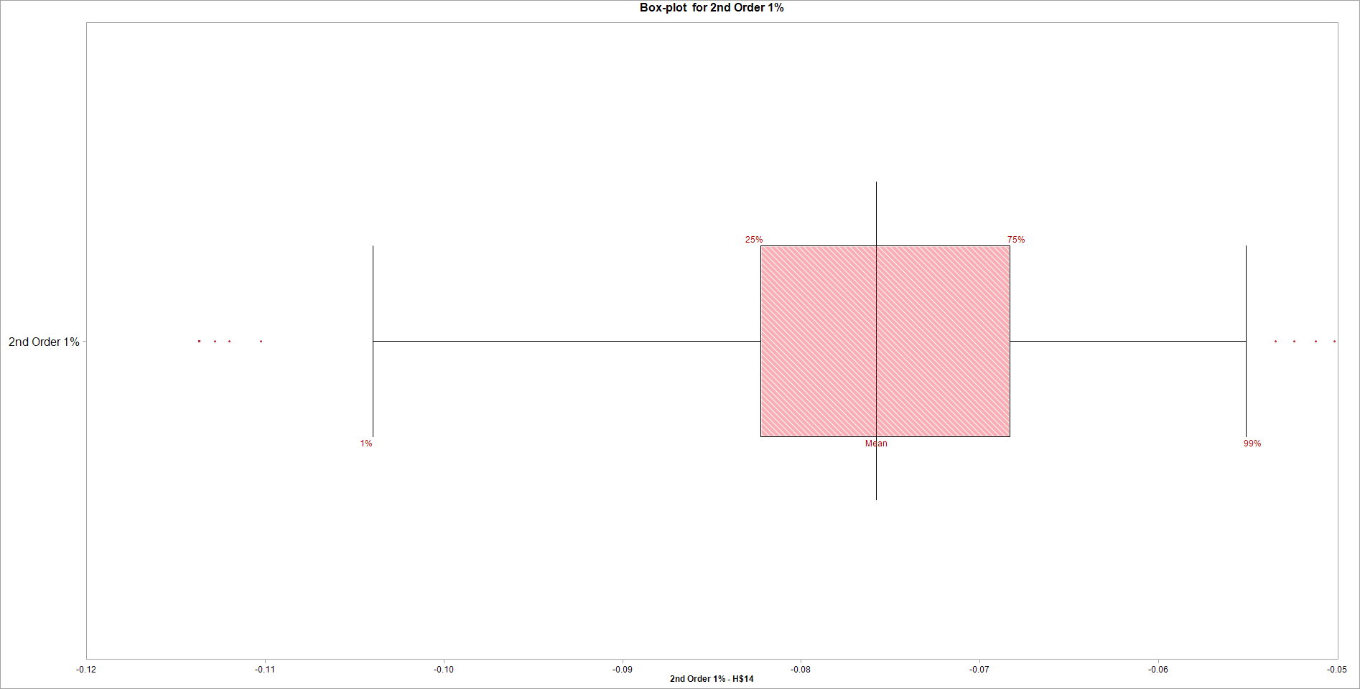
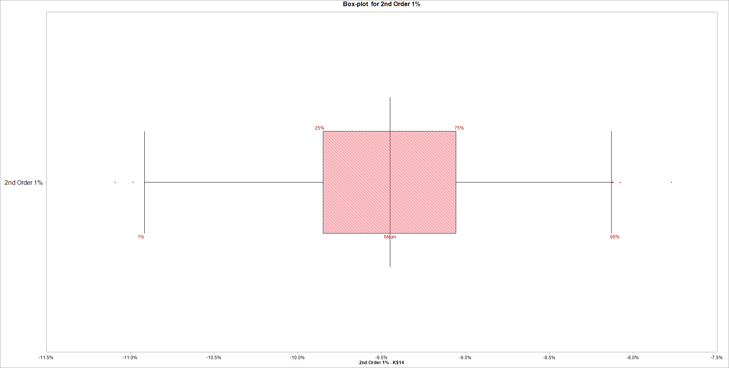

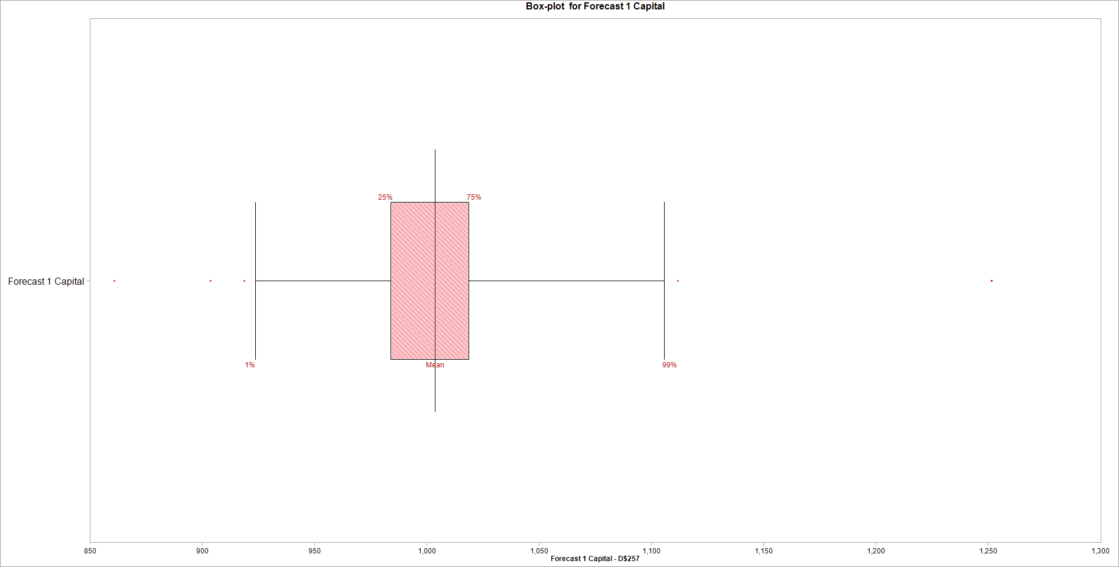
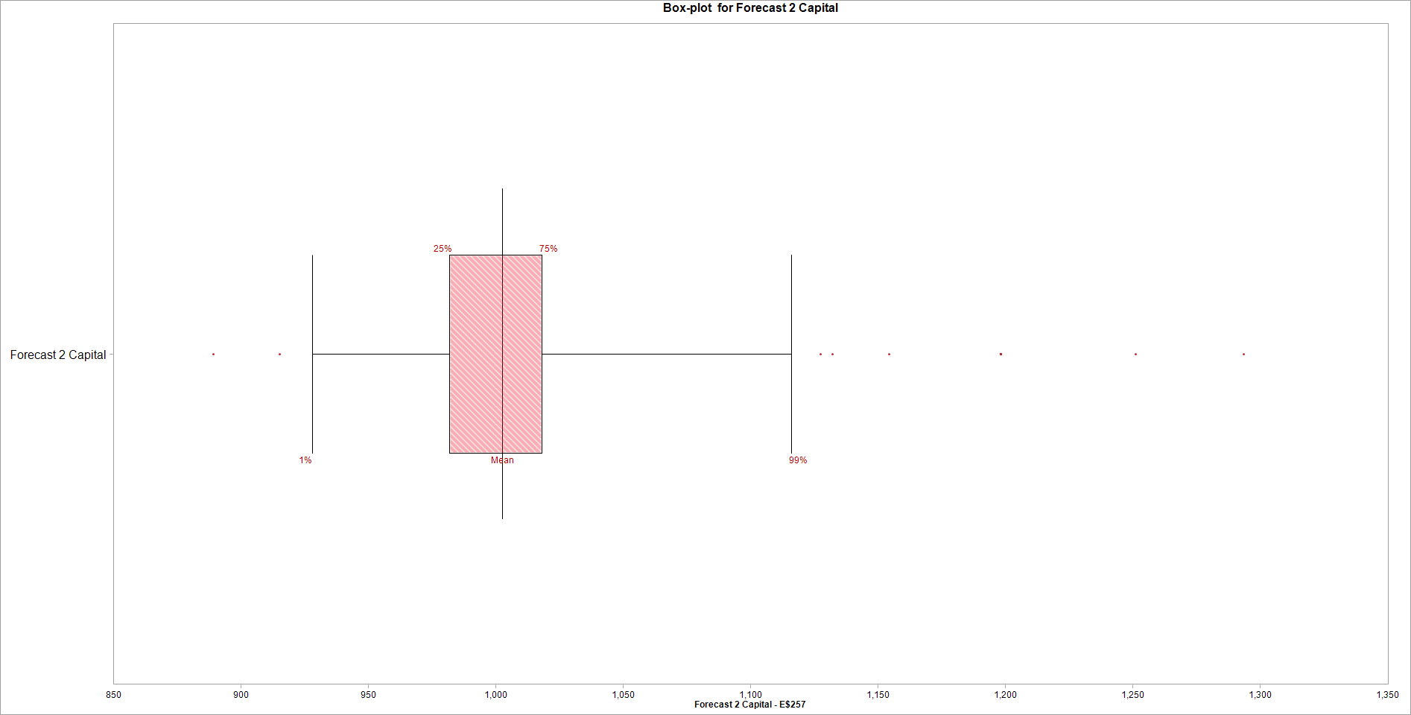

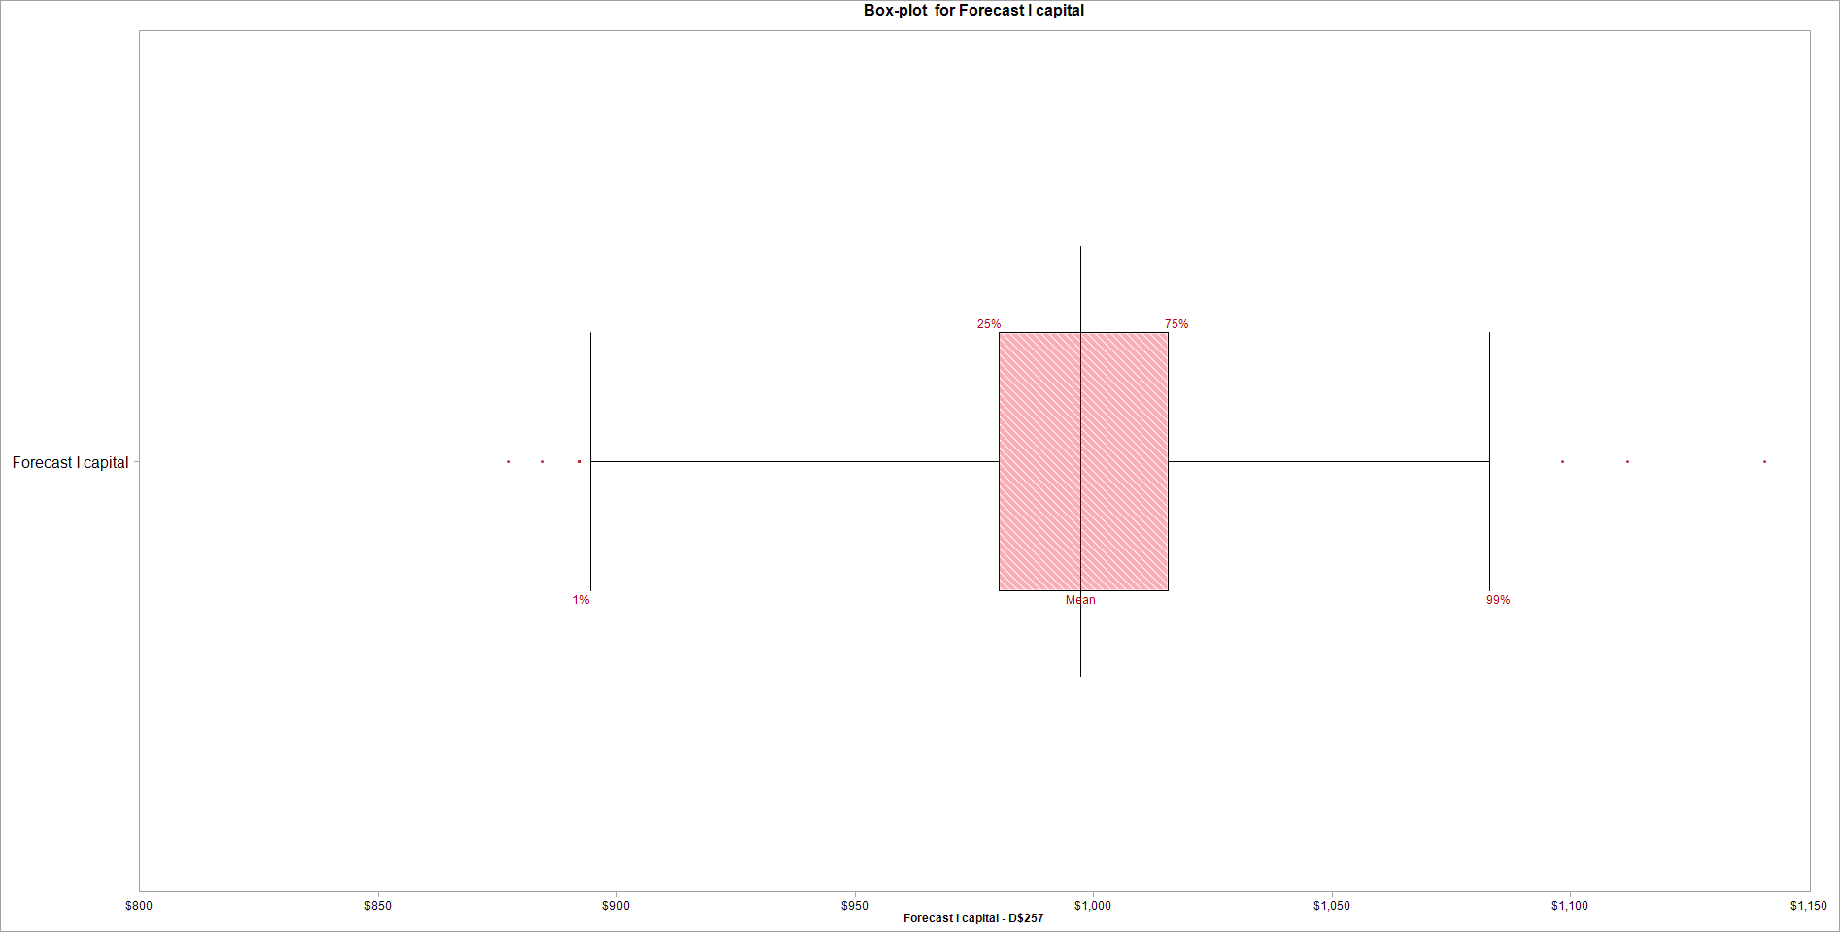
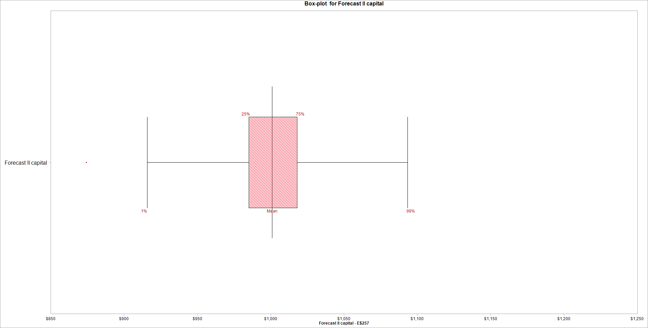
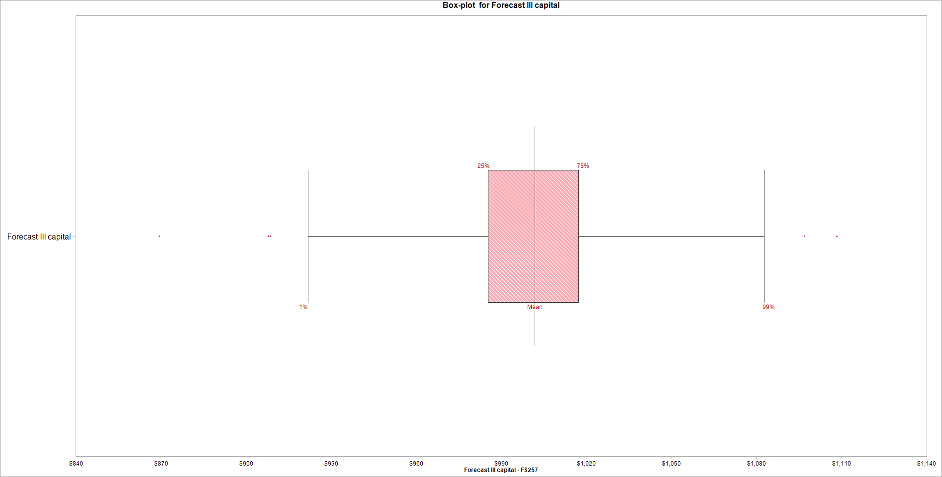

Variable Name | 1. 1st Order 1% | Variable Name | 1. 1st Order 1% | Variable Name | 1. 2nd Order 1% | Variable Name | 1. 2nd Order 1% | Variable Name | 1. BMA 1% | Variable Name | 1. BMA 1% | Variable Name | 1. Forecast 1 Capital | Variable Name | 1. Forecast 2 Capital
Location | [Answer 6.xlsx]Answer 6 Model'!H$10 | Location | [VaR4.xlsx]table'!K$10 | Location | [Answer 6.xlsx]Answer 6 Model'!H$14 | Location | [VaR4.xlsx]table'!K$14 | Location | [Answer 6.xlsx]Answer 6 Model'!H$26 | Location | [VaR4.xlsx]table'!K$28 | Location | [Answer 6.xlsx]Answer 6 Model'!D$257 | Location | [Answer 6.xlsx]Answer 6 Model'!E$257
Variable Type | Output | Variable Type | Output | Variable Type | Output | Variable Type | Output | Variable Type | Output | Variable Type | Output | Variable Type | Output | Variable Type | Output
Percentile | Cumulative Probability | Percentile | Cumulative Probability | Percentile | Cumulative Probability | Percentile | Cumulative Probability | Percentile | Cumulative Probability | Percentile | Cumulative Probability | Percentile | Cumulative Probability | Percentile | Cumulative Probability
1.00% | -0.076001004515 | 1.00% | -0.094984728663 | 1.00% | -0.10396276431 | 1.00% | -0.10914776047 | 1.00% | -0.057879305961 | 1.00% | -0.08346930097 | 1.00% | 923.7997531 | 1.00% | 928.19076692
25.00% | -0.076001004515 | 25.00% | -0.094984728663 | 25.00% | -0.082253921058 | 25.00% | -0.098483253416 | 25.00% | -0.057879305961 | 25.00% | -0.08346930097 | 25.00% | 983.99080645 | 25.00% | 981.77746688
50.00% | -0.076001004515 | 50.00% | -0.094984728663 | 50.00% | -0.075811324518 | 50.00% | -0.094495275345 | 50.00% | -0.057879305961 | 50.00% | -0.08346930097 | 50.00% | 1003.7976596 | 50.00% | 1002.6737412
75.00% | -0.076001004515 | 75.00% | -0.094984728663 | 75.00% | -0.068320846675 | 75.00% | -0.090569769913 | 75.00% | -0.057879305961 | 75.00% | -0.08346930097 | 75.00% | 1018.705735 | 75.00% | 1018.0125514
...

